Kalkulace I
Average licence price | Product | Počet 2010 | Revenue | Počet 2011 | Revenue | Počet 2012 | Revenue
100,000.00 | Good | 70 | 7,000,000.00 | 20 | 2,000,000.00 | 9 | 900,000.00
300,000.00 | Super | 40 | 12,000,000.00 | 13 | 3,900,000.00 | 18 | 5,400,000.00
40,000.00 | Budget | 110 | 4,400,000.00 | 32 | 1,280,000.00 | 40 | 1,600,000.00
200,000.00 | People | 70 | 14,000,000.00 | 43 | 8,600,000.00 | 6 | 1,200,000.00
800,000.00 | Fine | 110 | 88,000,000.00 | 31 | 24,800,000.00 | 11 | 8,800,000.00
1,000,000.00 | Diamond | 200 | 200,000,000.00 | 30 | 30,000,000.00 | 2 | 2,000,000.00
2,000,000.00 | Crystal | 30 | 60,000,000.00 | 60 | 120,000,000.00 | 3 | 6,000,000.00
600,000.00 | Fox | 70 | 42,000,000.00 | 80 | 48,000,000.00 | 11 | 6,600,000.00
5,000,000.00 | Bull | 80 | 400,000,000.00 | 31 | 155,000,000.00 | 70 | 350,000,000.00

Customer total/year |  | 780 |  | 340 |  | 170
Revenue total /year |  |  | 827,400,000.00 |  | 393,580,000.00 |  | 382,500,000.00
Customer total market | 100% | 1,290.00
Customer total/market | 100% | 1,603,480,000.00 |  | growth =G | share=S

 |  | 2010/S | 2010/G | 2011/S | 2011/G | 2012/S | 2012/G
 | Good | 8.97% | 0.85% | 8.04% | 0.74% | 7.67% | 0.62%
 | Super | 5.13% | 1.45% | 4.73% | 1.30% | 5.50% | 1.33%
 | Budget | 14.10% | 0.53% | 12.68% | 0.47% | 14.11% | 0.45%
 | People | 8.97% | 1.69% | 10.09% | 1.85% | 9.22% | 1.48%
 | Fine | 14.10% | 10.64% | 12.59% | 9.24% | 11.78% | 7.58%
 | Diamond | 25.64% | 24.17% | 20.54% | 18.84% | 17.98% | 14.47%
 | Crystal | 3.85% | 7.25% | 8.04% | 14.74% | 7.21% | 11.60%
 | Fox | 8.97% | 5.08% | 13.39% | 7.37% | 12.48% | 6.02%
 | Bull | 10.26% | 48.34% | 9.91% | 45.46% | 14.03% | 56.44%

 | Check | 100.00% | 100.00% | 100.00% | 100.00% | 100.00% | 100.00%

Kalkulace 2
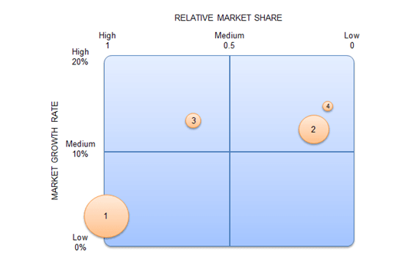
 | Product | Revenues prvious period | Revenues | % of corporate revenues | Largests competitor market share in % per product type | Your brand market share | Total market share for all products | Largests competitor market share in CZK | Relative market share | Market growth rate
1 | Good | 485,436.00 | 500,000.00 | 54% | 25% | 25% | 2,000,000.00 | 500,000.00 | 1.00 | 3.00%
2 | Super | 308,000.00 | 350,000.00 | 38% | 30% | 5% | 7,000,000.00 | 2,100,000.00 | 0.17 | 12.00%
3 | Budget | 43,500.00 | 50,000.00 | 5% | 45% | 30% | 166,666.67 | 75,000.00 | 0.67 | 13.00%
4 | People | 17,000.00 | 20,000.00 | 2% | 10% | 1% | 2,000,000.00 | 200,000.00 | 0.10 | 15.00%
 | Total |  | 920,000.00 | 100.00% | Manually from market research | Manually from market research |  |  |  | Calculated
 |  | Manually from ERP | Manually from ERP
 | Corporate revenue |  |  | 920,000.00

 |  |  | Parameter | 1
 |  |  | Relative market share=my revenue per brand/Largest competitor market share
 |  |  | Largest competitor market share in CZK = Total market share for all product/Largest competitor market share in %
 |  |  | Relative market share =Revenue/Largest competitor market share

