proforma for CIT
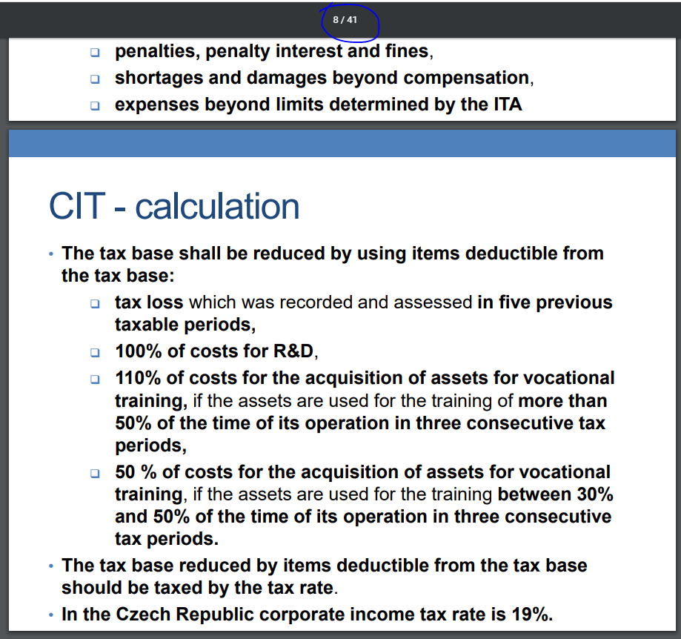
Corporate tax return (annual)

 | Profit before tax (PBT) |  |  |  |  |  |  |  |  | X

 | Add back adjustment |  |  |  |  |  |  |  |  | X
 | Less adjustments |  |  |  |  |  |  |  |  | (X)

 | Tax base I |  |  |  |  |  |  |  |  | X

 | Examption of foreign tax base included into PBT (if existing DTT allows) |  |  |  |  |  |  |  |  | (X)

 | Tax base II |  |  |  |  |  |  |  |  | X

 | Tax base deductions I
 |  | tax loss |  |  |  |  |  |  |  | (x)
 |  | R&D allowance |  |  |  |  |  |  |  | (x)
 |  | acquisition of assets for training of employees
 |  | professional education allowance |  |  |  |  |  |  |  | (x)

 | Tax base III |  |  |  |  |  |  |  |  | X

 | Tax base deductions II
 |  | gifts and donations |  |  |  |  |  |  |  | (x)

 | Tax base IV after all tax base deductions |  |  |  |  |  |  |  |  | X

 | Tax base IV after all tax base deductions rounded down to '000 |  |  |  |  |  |  |  |  | X

 | Tax rate 19% for general tax base

 | Tax liability |  |  |  |  |  |  |  |  | X

 | Tax liability deductions
 |  | disabled employees |  |  |  |  |  |  |  | (x)
 |  | investment incentive |  |  |  |  |  |  |  | (x)

 | Tax liability after deductions |  |  |  |  |  |  |  |  | X

 | Ordinary tax credit of foreign CIT witheld abroad (if exisitng DTT allows) |  |  |  |  |  |  |  |  | (x)

 | Tax liability after deductions and after tax credit |  |  |  |  |  |  |  |  | X

 | Tax liability at 15% from separate tax base |  |  |  |  |  |  |  |  | X

 | Final tax liabillity |  |  |  |  |  |  |  |  | X

 | Tax advances due in current tax period (and actually paid before deadline) |  |  |  |  |  |  |  |  | (X)

 | Tax liability under/overpayment |  |  |  |  |  |  |  |  | X / (X)

NOTES:

Adjustment to tax base depending on accounting and tax recognition of individual elements of PBT:

 | Because tax base is calculated as 'incomes - costs = profit before tax (PBT)' we need to know nature of each type of income and each cost from accounting and from tax perspective which have been included into PBT:
 | incomes
 | accounting only (=accounted/booked) | accounting & tax recognized (=accounted/booked & taxable) | tax recognized only (=taxable but not booked)
 | it is revenue which is recognized from accounting perspective but it is tax exempt income from tax perspective (treatment A) | it is revenue which is recognized from both accounting perspective and tax perspective (treatment B) | it is revenue which is recognized from tax perspective (is taxable income) but it is not recognized as income from accounting perspective (treatment C)
 | because it is not recognized from tax perspective, adjustment to PBT will be 'less' (i.e. since it is tax exempt we do not pay CIT on it) | because it is recognized from both accounting and tax perspective it is already included into list of all incomes generted by company on the basis of which its PBT was calculated, thus no adjustment to PBT is needed. | because it is not recognized from accounting perspective it is not included into list of all incomes generted by company on the basis of which its PBT was calculated, thus adjustment to PBT will be 'add back' (i.e. since it is tax recognized we do pay CIT on it)
 | e.g. dividedns received from CZ tax resident taxed by WHT, divideds received from CZ tax non-resident taxed in separate tax base, release of accounting provision and reserves where their creation was tax non-deductable cost |  | e.g. received contractual penalties if they are paid, unpaid liabilites overdue for more than 30 months (they may be tax deductable again in taxable period when liability is paid; this does not relate to those liabilities which were never recognized as tax deductable), transfer pricing adjustment and not posted invoice without income accrual (these two are non-accounted revenues thus not includede into PBT)
 | costs
 | accounting only (=accounted/booked) | accounting & tax recognized (=accounted/booked & tax non-deductable/deductable) | tax recognized only (=tax deductable aka tax eligible)
 | it is cost which is recognized from accounting perspective but it is tax non-deductable from tax perspective (=cannot be deducted form total incomes when arriving to PBT) (treatment D) | it is revenue which is recognized from both accounting perspective and tax perspective (treatment E) | it is cost which is recognized from tax perspective (is tax-deductable cost) but it is not recognized as cost from accounting perspective (treatment F)
 | because it is not recognized from tax perspective, adjustment to PBT will be 'add back' (i.e. since it is tax non-deductable we cannot decrease total income by its amount thus we need to pay CIT on that portion of accounting and taxable incomes which was reduced by applying this accounting cost) | because it is recognized from both accounting and tax perspective, it is already included into list of all costs incurred by company and deducted from income part on the basis of which its PBT was calculated, thus no adjustment to PBT is needed. | because it is not recognized from accounting perspective it is not included into list of list of all costs incurred by company and deducted from income part on the basis of which its PBT was calculated, thus adjustment to PBT will be 'less' (i.e. since it is tax-deductable we do not pay CIT on it)
 | e.g. costs specifically listed in the law (e.g. representation costs, entartainment expenses, costs related to health care of employees or their family members above requirements by law (voluntarily flu vaccination, vitamins), costs related to recreational and educational facilities, workplace libraries, printed books, physical training and sports facilites used by employees or their family members, costs related to culturaland sport events visited by employees or their family members, contribution to holidays or excursions of employees or their family members, general gifts and donations, non-contractual fines and penalties, accounting depreciation and net book value of assts diposed, accounting reserves and provisions, SHI contributions paid by employer after deadline), costs related to exempt income or income not subject to CIT, costs not incurred in order to generate, ensure and maintain taxable income, costs not supported by relevant documentation, costs related to another taxable income | e.g. accounting costs incurred in order to generate, ensure and maintain taxable income (e.g. purchased materials, goods and services, rental fees, insurance fees, license fees, energy consumption), some employees'non-monetary benefits (meal vocuhers up to 55%), travel expenses wihtin limits of Labor code, promotional gifts (with certain conditions), statutory SHI contributions and contractual penalties if due paid. Also some accounted costs which are ususally considered as tax non-deductable under normal conditions but if they were recharged to 3d party they are considered as tax- deductable i amount of related income booked in current period or previous periods. | e.g. statutory SHI contributions from wages and contractual penalties if overdue paid (i.e. they relate to previous periods but paid in the current period), tax depreciation and tax residual value of assets, tax statutory reserves and provisions (for unpaid receivables overdue), tax non-deductable costs up to related taxable income.

Treatment | Type of individual transaction | Recogognized from perspective: | accounting income | accounting costs | Adjustment to general tax base
 |  |  |  |  | add back' adjustment | less' adjustment
B | Taxable income (=taxable in general tax base) | AC + TX | X
A | Income taxable in separate tax base | AC+TX | X |  | X | (X)
A | Income tax exempt or taxed by WHT | AC | X |  |  | (X)
C | Non-accounted taxable income | TX |  |  | X
E | Tax-deductable costs | AC + TX |  | X
D | Tax non-deductable costs | AC |  | X | X
F | Non-accounted and tax deductable costs | TX |  |  |  | (X)

A | Accounting depreciation | AC |  | X | X
F | Tax depreciation | TX |  |  |  | (X)

Tax base deductions

 | Type of deduction | Conditions for deduction
 | tax loss | If tax loss is created, it can be carried forward and offset against future periods for a max of 5 consecutive taxable periods. Utilization of a tax loss is not possible if company does not satisfy the 'same business' test or 'same ownership' test (i.e. change in ownership in registered capital by more than 25%)
 | R&D allowance | Companies can deduct up to 100% of R&D costs from their annual TB. BUT! Not all R&D costs incurred by companies are tax eligible. Eligible costs are: direct tax deductable costs (e.g. payroll costs of R&D engineers, consumed materials), tax depeciation of assets used for R&D with exception of immovables, other operational expenses directly related to realization of R&D activities (telecommunications fees, electricity, water). Non-eligible costs are: R&D services acquired from 3d parties, license fees. Also for eligible costs taxpayer always needs to have written R&D project description. Can be carried forward for a max of 3 consecutive taxable periods.
 | professional education allowance | This deduction is to support professional education in two parts: the deduction to support acquisition of assets for professional education and to support the expenses incurred per student within the scope of professional education. Taxpayer needs to have class register or similar records. Deduction can be carried forward for max 3 consecutive taxable periods. If it is deduction to support acquisition of assets for professional education then such assets should be in use between 30% and 50% of working time (to compensate capital expenditutes and operating costs) and the max limit of such support is 5,000 czk/student (to compensate payroll costs). If it is deduction to support professional training of students, max limit for such support is 200 czk/hour spent in the workplace.
 | donations/gifts | in general donations represent tax non-deductable cost except the following cases: receipient is NPO; purpose of donation is finance science, education, R&D, culture, school, health care, physcial education, elimination of effects of natural disasters; min amount of donation is 2,000 czk and max limit for deduction is 10% of tax base III.

Tax liability deduction:

 | Type of deduction | Conditions for deduction
 | disabled employees | 18,000 czk/disabled employee of I category; 60,000 czk/employee of II category.
 | investment incentive | can be carried forward for 10 years. If it is greenfield project (newly established company), then it can be full tax relief (0 TB) and prtial tax relief for brownfield projects (existing corporations). Min amount of investment should be: for manufacturing corp - 100 mil CZK; for technological centres - 10 mil CZK; for centres of strategic services - 20 new jobs created for IT, 70 new jobs created for SSC, 100 new jobs created for call centres.

 |  |  |  |  | Accounting entry
Tax treatment of provisions and reserves |  | Accounting provisions and reserves | Tax (statutory) provisions and reserves |  | Db | Costs to P/L |  | creation of provision or reserve | if provision is statutory | => | Costs to P/L are tax eligible costs | => | no tax adj.
 | Creation | tax non-deductable cost => add back | tax deductable cost => no adjustment |  | Cr | Provision in BS |  |  | if provision is non-statutory | => | Costs to P/L are tax non-eligible costs | => | add back adj.
 | Release | non-taxable income => less | taxable income => no adjustment
 |  |  |  |  | Cr. | Income to P/L |  | release of provision or reserve | if provision is statutory | => | Income to P/L is taxable income | => | no tax adj.
 |  |  |  |  | Db. | Provision in BS |  |  | if provision is non-statutory | => | Income to P/L is tax exempt income | => | less adj.
Tax treatment of contractual penalty
 |  | Booked & received (paid in case of cost) in the same period | Booked in one period but received (paid in case of cost) in another period
 |  |  | booked in current period BUT received (paid) in following period | booked in previous period BUT received (paid) in current period
 | received (income) - should be recorded (=booked) and related payment should be received | taxable income => no adjustment | non-taxable income => less | non-accounted taxable income => add back
 | paid (cost) - should be recorded (=booked) and related payment should be made | tax-deductable cost => no adjustment | non-deductable cost => add back | non-accounted deductable cost => less

Tax treatment of SHI
 |  | Booked & paid in the same period* | Booked in one period but paid in another period
 |  |  | booked in current period BUT paid in following period | booked in previous period BUT paid in current period
 | paid (cost) - should be recorded (=booked) and related payment should be made | tax-deductable cost => no adjustment | non-deductable cost => add back | non-accounted deductable cost => less
 | *should be paid by the end of the month following the nd of the taxable period (till statutory deadline)

Tax treatment of depreciation (amortization) |  |  |  |  |  | PBT

 | tax depreciation is never booked in accounting books. It is separate evidence for tax purposes only.
 | Accounting depreciation is booked in costs and it is non-deductable cost. Tax depreciation is compared with amount booked as accounting depreciation and difference is reflected: |  |  | Accounting dep charge | Tax dep charge | Net amount of impact | Direction of impact
 |  | AD > TD => add back |  | 10 | 5 | 5 | add back
 |  | AD < TD => less |  | 5 | 10 | -5 | less
 |  | NBV > TRV => add back | "NBV" is net book (accounting) value; "TRV" is residual tax value | NBV = Historical cost - Accumulated accounting dep
 |  | NBV < TRV => less |  | TRV = Historical cost - Accumulated tax dep
 | TRV of disposed asset is tax deductable in case of:
 |  | sales of asset |  | NBV | TRV | Net amount of impact | Direction of impact
 |  | damage caused by natural disaster |  | 15 | 12 | 3 | add back
 |  | theft by unknown offernder which is confirmed by police |  | 12 | 15 | -3 | less
 |  | another kind of damage only up to amount of directly related income (e.g. compensation from insurance)

CIT - add.notes
Double taxation relief

 | With some exeptions all DTTs can be grouped into three categorie:
 |  | treaties based on Model Treaty of OECD - between developed counteris, tax should be paid in country of tax residence of taxpayer
 |  | treaties based on Model Treaty of UNO - between/with developing countries, tax should be paid in country of origination of related income
 |  | treaties with USA - tax should be paid in country of citizenship of taxpayer
 | DTTs determine tax residency of taxpayers and stipulate methods for avoidance of double taxation of incme. These methods are applicable for both PIT and CIT.
 | Taxpayer receiving income that is subject to taxation in CZ and also in another country can use tax relief based on related DTT. However CZ tax office will require confirmation from foreign tax administrators about actual taxes paid abroad. |  |  |  |  | income | taxable income
 | Methods to avoid double taxation of income: |  |  |  |  | (costs) | (tax eligible costs)
 |  |  |  |  |  | margin | tax base
 | (reduction of CZ tax liability) | credit methods*
 |  |  | full credit - when CZ tax liability may be decreased by full amount of foreign tax paid abroad.
 |  |  | ordinary credit - when CZ tax laibility is decreased by foreign tax paid abroad but only up to amount of related CZ tax payable on such income (i.e. by amount of tax liabilty which would arise if such income would be taxed not abroad but in CZ). For such case rax credit coefficient is calculated:

 |  |  |  | Coeficient = | foreign tax base / total tax base | 17% | e.g. 20k is income generated abroad and 120k is total income (abroad + local)
 |  |  |  | CIT liability from general tax base * Coefficient = Tax base deduction in CZ due to foreign tax paid abroad |  | 6.65 | 83% | 6
 |  |  |  |  |  | e.g. 120k is total taxable income, 85k is total tax eligible costs, 19% is CIT rate => total tax liability in CZ | adjustment for ordinary credit | tax liability in CZ final i.e. after reduction by ordinary credit method
 | (reduction of CZ tax base) | exemption methods **
 |  |  | full exemption - when CZ tax base may be decreased by full amount of foreign tax base taxed abroad (foreign income and related expenses are excluded from generale tax base of taxpayer in CZ). |  |  |  | e.g. 20k is income generated abroad and 15k are tax eligible costs abroad; 120k is total income and 85k are total tax eligivle costs)
 |  |  |  |  |  | 35 | 5 | 5.7
 |  |  |  |  |  | total tax base | foreign tax base
 |  |  | exemption with progression - when CZ tax base is decreased by full amount of foreign tax base taxed abroad and then the remaining (reduced) general tax base in CZ is taxed with recalculated CIT rate (instead of standard 19%). Recalculated tax rate is obtained by taking into consideration of taxes payable by taxpayer, both in CZ and abroad (i.e. (tax paid abroad on foreign income + tax payable on general tax base reduced by tax foreign tax base in CZ) / (foreign income and other incomes earned by CZ taxpayer). In CZ this method is forbidden.
 | (reduction of CZ tax base) | tax paid abroad on foreign income as tax deductable cost
 |  |  | it is applied in case if no DTT has been concluded between CZ and counterparty and thus CZ resident cannot use any of the above two methods for avoiding double taxation.
 |  |  | Also this treatment is applied if related DTT exists but: (1) CZ and counterparty (state of income origine) have different taxable periods; or (2) limit for applicable method (crdit or exemption) is exceeded.
 |  |  |  |  |  |  | e.g. 20k is income generated abroad and 15k are tax eligible costs abroad and 0.5k is tax paid abroad; 120k is total income and 85k are total tax eligible costs)
 |  |  |  |  |  | 34.5 | 6.555

 |  | * CZ has this arrangement with Belgium, Republik of Ireland, France, Poland, Austria, Slovakia and USA. If it is full credit or ordinar credit it depends on terms and conditions of each particular DTT. The relief by credit mainly applies to withholding tax imposed to the source state (e.g. tax on dividend income). This withholding tax is deducted from the tax imposed on the resident state. The tax authorities of the resident state will request for documents proving the imposition of withholding tax in the source state like tax certificate issued by the tax authorities of the source state or tax receipt.
 |  | ** CZ has this arrangement with Germany, Italy, UK and Spain. It is always full exemption since exemption with progression is forbiden in CZ. The relief by exemption mainly applies to profits generated through a Permanent Establishment in the source state. The source state claims taxing rights on the profits of the permanent establishment and the resident state exempts it from taxation.

Tax treatment of investment income:

 | Paying-out entity
 |  | CZ tax resident | CZ tax non-resident
 | dividends | witholds 15% tax, no adj. (these are not costs for payer) for its own tax base, but paying it separately on behalf of recipient | withoulds at % as per DTT or local legislation
 | interests and royalties | no WHT, no adj. (these are accounting & tax eligible costs for payer) | withoulds at % as per DTT or local legislation

 | Receiving entity
 |  | CZ tax resident | CZ tax non-resident
 | dividends | general tax base and adj. less | separate tax base and full credit or full exemption if DTT; general tax base and tax-deductable cost if no DTT or limit or time period is exceeded under existing DTT
 | interests and royalties | general tax base and no adj. | separate tax base and full credit or full exemption if DTT; general tax base and tax-deductable cost if no DTT or limit or time period is exceeded under existing DTT

Tax provisions for aged receivables

 | Tax provision can be created for overdue (aged) receivable (creation of provision and subsequent write off of aged receivable)
 |  | Tax (statutory) provisions include:
 |  |  | in CZ there are three types of statutory provisions:
 |  |  |  | provisions for receivables against debtors in insolvency proceedings - provision can be created up to 100% of amount of receivable in the taxable period when it was claimed in court in insolvency proceedings
 |  |  |  | provisions for bad debts
 |  |  |  |  | before Jan 1st, 2014 - court proceedings are required
 |  |  |  |  |  | general rule:
 |  |  |  |  |  |  | aged receivables with 6 months of overdue => | 20% of face value
 |  |  |  |  |  |  | aged receivables with 12 months of overdue => | 33% of face value
 |  |  |  |  |  |  | aged receivables with 18 months of overdue => | 50% of face value
 |  |  |  |  |  |  | aged receivables with 24 months of overdue => | 66% of face value
 |  |  |  |  |  |  | aged receivables with 30 months of overdue => | 80% of face value
 |  |  |  |  |  |  | aged receivables with 36 months of overdue => | 100% of face value
 |  |  |  |  |  | exception:
 |  |  |  |  |  |  | if receivable has face value < 200,000 czk, provision in amount of 20% of face value can be created even without court proceedings. BUT creation of further provision (i.e. remaining 80%) requires court proceedings.
 |  |  |  |  | from Jan 1st, 2014* - court proceedings are not required
 |  |  |  |  |  | general rule:
 |  |  |  |  |  |  | aged receivables with 18 months of overdue => | 50% of face value
 |  |  |  |  |  |  | aged receivables with 30 months of overdue => | 100% of face value
 |  |  |  |  |  | exception:
 |  |  |  |  |  |  | if receivable has face value > 200,000 czk, then court proceedings are required
 |  |  |  | provisions for receivables not exceeding 30,000 czk
 |  |  |  |  | court proceedings are not required
 |  |  |  |  | face value of receivable should be =< 30,000 czk toward the same debtor
 |  |  |  |  | it has been overdue for 12 months or more.
 |  |  | general conditions for creation of statutory provision:
 |  |  |  | receivable should be originally taxed as income
 |  |  |  | no provision can be reated for receivable between related parties
 |  |  |  | no provision can be created if taxpayer is in liquidation or in insolvency proceedings
 |  |  |  | provisions can be created only toward receivables originated from normal supply of goods or services (i.e. for recaivable from contractual penalty or interest for late payment no provision can be created).
 |  |  |  | no provision can be created if taxpayer has liabilites toward the same debtor and these liabilities are not yet settled

 |  |  | Note: on Jan 1, 2014 CZ Tax Code was updated. In 2018 all receivables due untill the end of 2013 (i.e. before change in legislation) became aged for more than 36 months. It means that 100% provision could be created by that time (assuming they were claimed at court). If they haven't been created yet, they still can be created.

 | Overdue (aged) receivable can be written off (write-off without prior creation of provision) only if it is against debtor
 |  | whose bankruptcy was dismissed by the court because debtor's assets were not sufficient
 |  | who died and thereis noone who can pay off his debts
 |  | who was dissolved without any legal successor
 |  | whose property is subject of public auction

Tax reserves for repairs of tangible assets

 | Legal owner of asset can create tax-deductable reserve (statutory) for repairs of tangible assets, BUT it is not possible to create such reserves for maintanance of assets.
 | When creating a statutory reserve the amount of created reserve should be transferred to special (separate) bank account in CZ or in EU. Money must be transferred at the latest by the deadline for filling in tax return for the period.
 | Reserve can be created only for tangible assets (not for intangible or low-value assets) with depreciation period of 5 years or more.
 | Reserve cannot be created for only one taxable period. The maximum duration of reserve is 10 years:

 |  | Depreciation category | Max number of years for creation of reserves
 |  | 2 | 3
 |  | 3 | 6
 |  | 4 | 8
 |  | 5 | 10
 |  | 6 | 10
 |  |  | .
 | Creation of reserves should be proportionate in particular years (but there are some exeptions, like in case of recalculation of costs of repair)
 | Actual repair should start at the latest in the period following the taxable period when repair was expected to commence. Otherwise reserve needs to releaed into revenue in the subsequent period.
 | Release of reserve doesn't need to be proportional. The whole reserve or its remaining balance needs to be released at the latest in the taxable period following the period when repair commenced.
 | Reserve cannot be created if taxpayer is in liquidation or in insolvency proceedings.

Tax depreciation

 | it is calculated from acquisition price of tangible assets
 | Acquisition price is
 |  | purchase price
 |  | direct and indirect costs spent on creation of long-term asset
 | In CZ all long-term asserts which can be subject of depreciation are categorized into these groups:
 |  | movable assets with purchase price > 40,000 czk and operational life > 1 year
 |  | immovable assets
 |  | intangible assets with purchase price > 60,000 czk and operational life > 1 year
 | Some types of assets like plots of land and art works and financial investments are not depreciated.
 | Tax depreciation of tangible asste is annual depreciation. If the asset is put into use at the end of taxable period, taxpayer may still apply the whole annual tax depreciation.
 | If asset was depreciated in previous periods and it is disposed in the current period, only half of annual charge can be claimed in the current period.
 | Tax depreciation shall be rounded up to next whole czk.
 | Tax amortization of intangible asset is monthly depreciation.

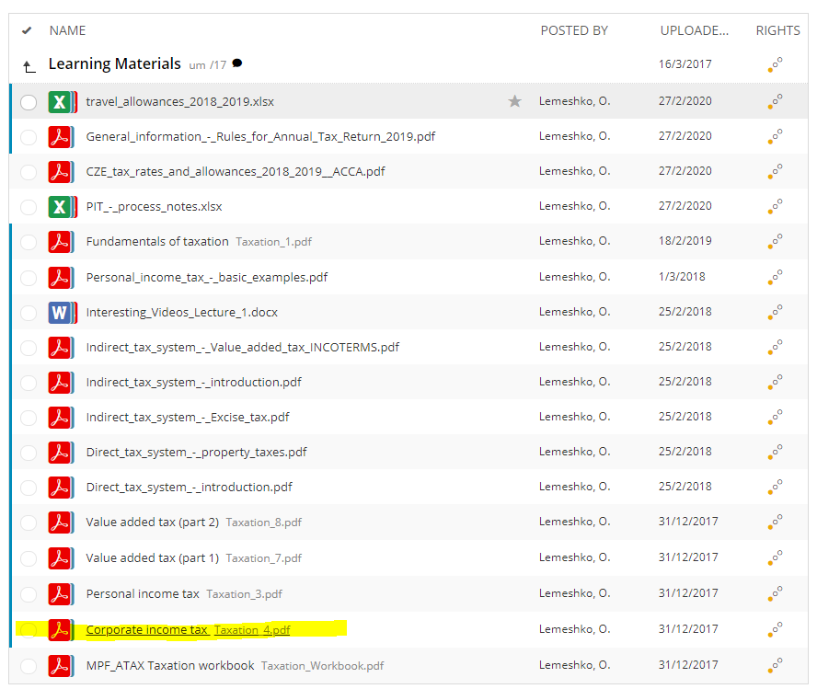
 | Depreciation categories:
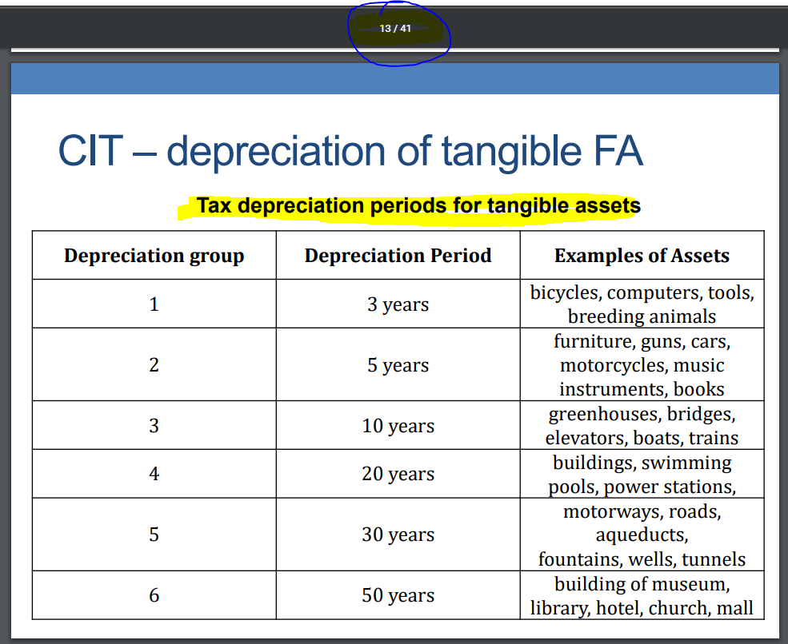

 | Depreciation methods for tangibles assets

 |  | based on normal depreciation
 |  |  | straight-line method
 |  |  |  | tax depreciation = (input price * annual depreciation rate) / 100

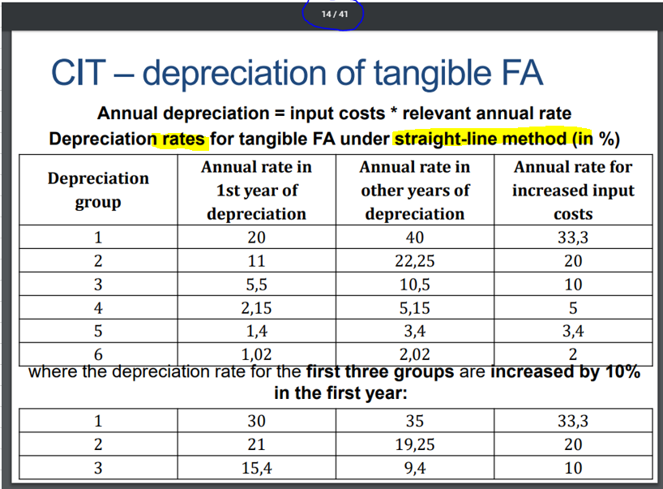

 |  |  |  | If technical improvement is performed over asset, annual depreciation rate for increased input cost must be used (starting from the period in which appreciation commenced). However if technical appreciation was commenced in the first year when asset was put into use, must be included into normal input price under normal depreciation rate.

 |  |  | accelearted method
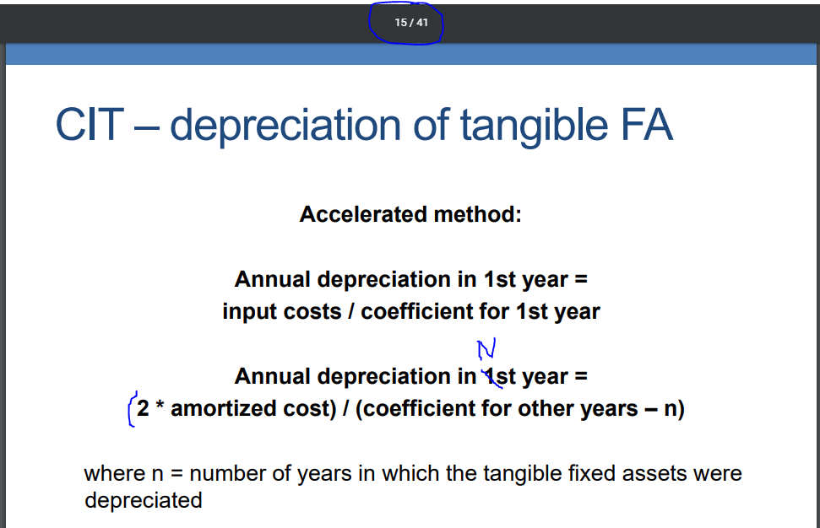

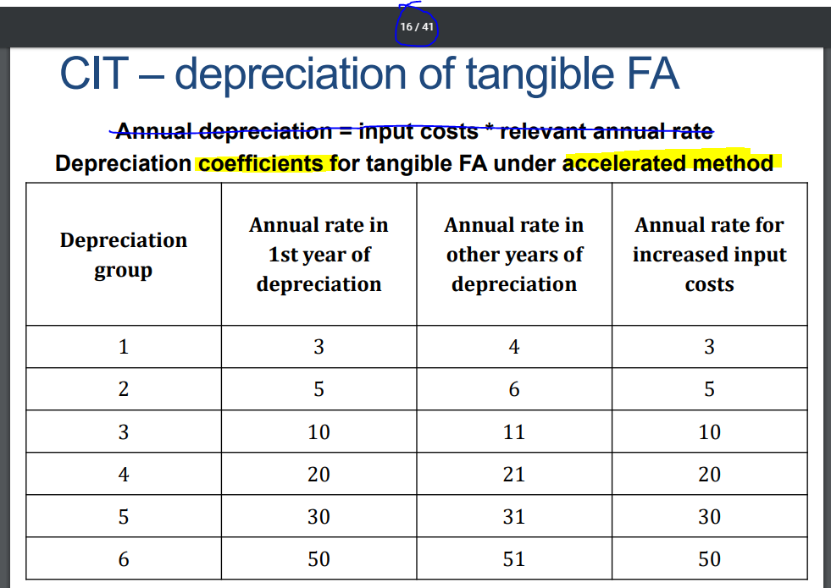

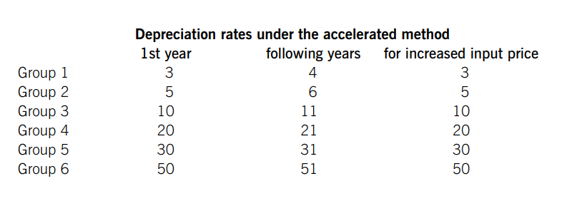

 |  |  |  | if asset was technically appreciated, tax depreciation is computed as follows:

 |  |  |  |  | tax depreciation = (2 * increased TRV) / coefficient for increaed TRV

 |  |  |  |  | tax depreciation = (2 * increased TRV) / (coefficient for increaed TRV - number of years of depreciation from increased TRV)

 |  |  |  | if technical appreciation was commenced in the first year when asset was put into use, must be included into normal input price under normal depreciation rate.

 |  | based on increased depreciation in the first year of depreciation

 |  |  | first-year depreciation can be increased by
 |  |  |  | rates
 |  |  |  |  | 10% for office equipment, accumulators, air-conditioning
 |  |  |  |  | 20% for forestry and acricultural mashines owned by taxpayers whose main activity is agriculture or forestry
 |  |  |  | conditions
 |  |  |  |  | taxpayer must be first owner of asset
 |  |  |  |  | assets are classified in depreciation categories 1-3
 |  |  |  |  | this is not applicable to personal cars, planes, household equipment.
 |  |  |  | methods
 |  |  |  |  | straight-line method:
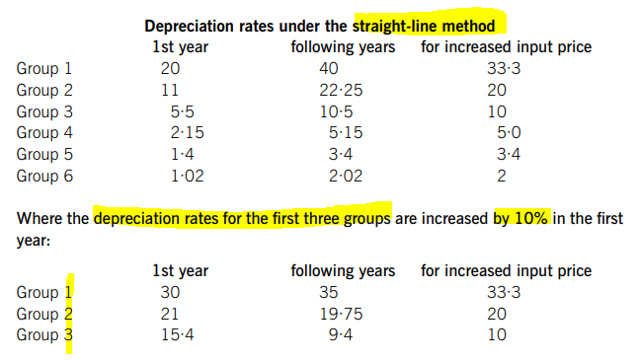

 |  |  |  |  | accelerated method:

 |  |  |  |  | The first year depreciation calculated based on accelerated method is increased by 10% or 20% of the input price of the asset. Coefficients for accelerated tax depreciation remain unchanged for the following years.

 | Depreciation methods for intangibles assets

 |  | tax depreciation is calculated on monthly absis starting from the month following the day in which the conditions for depreciating have been fulfilled. The depreciation cannot be interrupted.
 |  | If purchase agreement stipulated a fixed period during which the intangible asset can be used, the monthly depreciation is calculated as input price divided by number of months stated in the purchase contract.

 |  | Goodwill acquired in business combination is depreciated 180 months

 | Depreciation of low-value assets

 |  | it equals the accounting depreciation. Tax deprciation cannot be interrupted.

Technical appreciation

 | technical appreciation of tangible assets
 |  | these are costs on reconstraction or modernization of tangible assets if they exceed czk 40,000 / asset within 1 calendar year
 |  | technical appreciation increases
 |  |  | either input price of asset (in case of straight-line method of depreciation)
 |  |  | or tax residual value of asset (in case of accelerated method of depreciation)
 |  | if tangible asset is technically appreciated, it is necessary to use rates/coefficients for increased input price (see depreciation method above)
 |  | if technical appreciation happens in the first year when asset is put into use, it should be included into input price of the asset and depreciation rates/coefficients for the first year should be used for depreciating the asset.
 | technical appreciation of intangible assets
 |  | these are costs on upgrade or modernization of intangible assets if they exceed czk 60,000 / each separet appreciation and it is not accumulated during the year (as it is for tangible assets).
 |  | technical appreciation increases
 |  |  | residual value of intangible asset

