tax payer
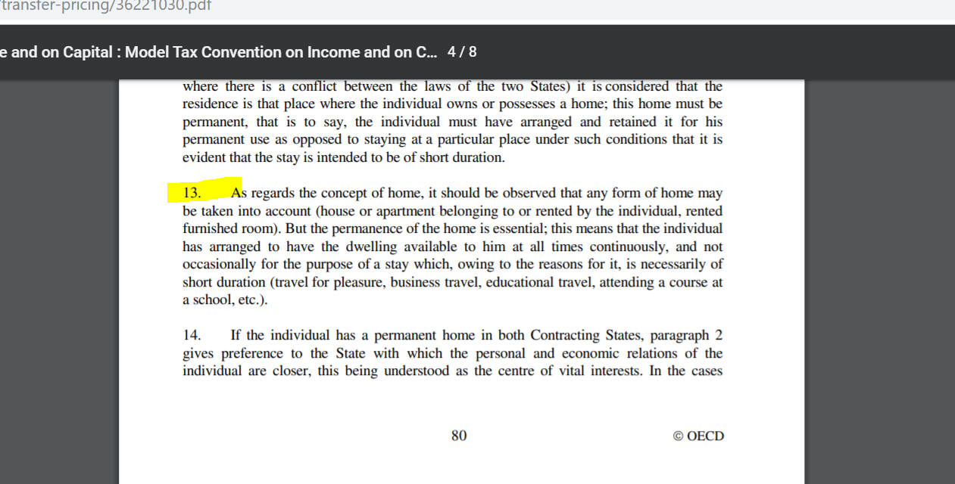
 | Tax payer
 | resident | nonresident
impact on tax liability*: | unlimited tax liability in CZ => CZ tax on worldwide income | limited tax liability in CZ => CZ tax on CZ-origin income
impact on tax return*: | to disclose worlwide income | to disclose CZ-origin income
conditions*: | permanent home | if none of two conditions for tax residency are not satisfied
 | or
 | presence in CZ for more than 183 days
* evidence from CZ

Additional conditions:
 | for natural person
 |  | centre of vital interests
 |  | habitual abode
 | for legal entity
 |  | place of effective management

proforma for PIT
 |  |  |  | SHI - social and health insurance contributions
Personal tax return (annual)

 |  |  | Annual gross income | Expenses | Partial tax base
 | Personal income
 |  | employment income | x |  | x
 |  | business income | x | (x) | x/(x)
 |  | capital income | x |  | x
 |  | rental income | x | (x) | x/(x)
 |  | other income | x | (x) | x/(x)
 | Total tax base |  |  |  | X

 | Tax base deductions
 |  | gifts |  |  | (x)
 |  | interest paid on mortgage |  |  | (x)
 |  | pension insurance contributions |  |  | (x)
 |  | life insurance contributions |  |  | (x)
 |  | trade union contributions |  |  | (x)
 |  | tax loss from previous periods |  |  | (x)
 |  | R&D allowances |  |  | (x)
 |  | professional education allowance |  |  | (x)

 | Tax base after deductions |  |  |  | X

 | Tax exemption (full) for tax base from income earned abroad |  |  |  | (x)

 | Tax base after deductions and tax exemption from income earned abroadrounded down to nearest CZK hundred (gross tax base) |  |  |  | X

 | Tax rate 15% |  |  |  | 15%

 | Tax liability |  |  |  | X

 | 23% solidarity surcharge (tax) |  |  |  |  | Solidarity surcharge in 2023 on income over 3*Average wage in CZ i.e CZK 131 901 p.m.
 |  | 23%*((employment income + business income) - solidarity cap) |  |  | X | Solidarity surcharge in 2023 on income over 4*Average wage in CZ i.e CZK 1 935 552 p.a. or CZK 161 296 p.m. | Od roku 2021
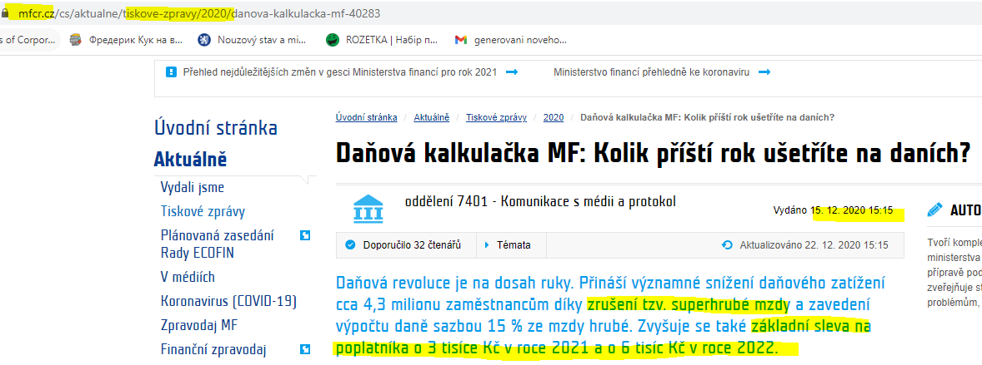
 | Tax liability after 23% solidarity contribution |  |  |  | X

 | Tax credit for tax paid abroad* |  |  |  | (X)

 | Tax liability deductions
 |  | personal |  |  | (x)
 |  | dependent spouse |  |  | (x) | pro rated
 |  | dependent child
 |  | disability of a taxpayer |  |  | (x)
 |  | student |  |  | (x) | pro rated
 |  | kindergarden fee |  |  | (x)
 |  | disabled employees |  |  | (x)
 |  | discount for self-employed persons with electronic evidence of sales |  |  | (x)

 | Tax liability after deductions |  |  |  | X

 | Child tax credit |  |  |  | (x) | pro rated

 | Final tax liabillity or tax bonus |  |  |  | X / (X)

 | Advance payments |  |  |  | (x)

 | Final tax underpayment / overpayment |  |  |  | X / (X)

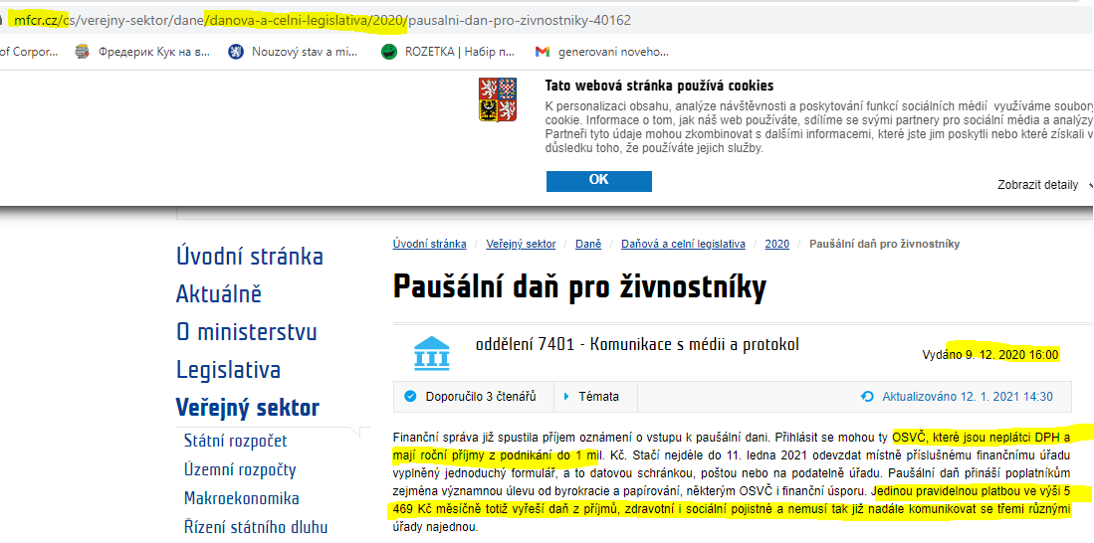
 | Note: for tax credit method it can be either full credit or ordinary credit depending on terms of each DTT existing between CZ and counterparty.

Net wage (monthly)

 | Monthly gross salary (incl. taxable benefits) |  |  |  | X

 | Monthly tax advances (15% of gross salary) |  |  |  | (X)

 | Solidarity contributions (if any) |  |  |  | (X)

 | Employee's part of SHI contributions |  |  |  | (X)

 | Employee's personal tax discount, student discount and child discount if applicable |  |  |  | X

 | Monthly net salary |  |  |  | X

NOTES

tax base deductions:
 | Type of deduction | Conditions for deduction
 | gifts* | recipient of donation | NPO |  |  |  | https://www.mfcr.cz/cs/aktualne/tiskove-zpravy/2020/prehled-nejdulezitejsich-zmen-v-gesci-mi-40144
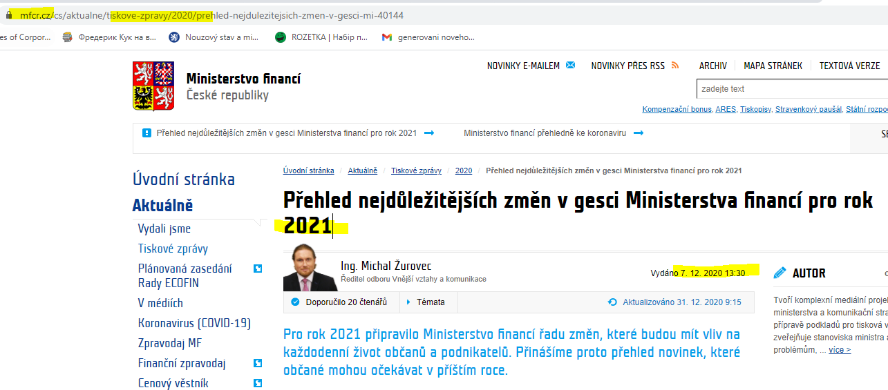
 |  | purpose of donation | finance science, education, R&D, culture, school, health care, physcial education, elimination of effects of natural disasters
 |  | limit | min: total value from 1,000 czk or 2% from tax base before deductions
 |  |  | max: 15% of tax base before deductions
 | interest paid on mortgage loan | actual payment | up to 150,000 czk p.a. as deduction (i.e. 12,500 czk per month if only part of year is considered)
 |  | housing need | satisfaction of housing need (i.e. have residential address there) + being part of mortgage contract
 | pension insurance contributions | amount limit | up to 24,000 czk p.a. paid as such contributions
 | life insurance contributions | amount limit | up to 24,000 czk p.a. paid as such contributions
 | trade union contributions | amountlimit | up to 1.5% of taxpayer's employment income, max 3,000 czk p.a.
 | tax loss | time limit | only if realized on business or rental activity and can be deducted during following max 5 years
 | R&D allowance | time limit | available only for taxpayer with business income carrying R&D activities and can be deducted during following max 3 years
 | professional education allowance | amount limit | contribution for payment of exam confirming professional qualification can be up to 10,000 czk p.a. In case of handicaped employees, the max limit is 13,000 (for 1st degree of physcial disability) and 15,000 (for 2d degree of physsical disability) czk p.a.
 | Note: 1 blood donations gives 3,000 czk as tax deduction, donation of blood cells or an organ by living donor give 20,000 czk as dedution

tax liability deductions:
 | Type of deduction | Conditions for deduction
 | general personal deduction | amount limit: 30,840 czk p.a. in 2023 and 2024 |  | 2570
 | dependent spouse deduction | amount limit: 30,840 czk p.a. in 2023 and 2024. It is provided to a spouse or registered partner if spouse/registered partner lives with taxpayer in common household and has annual income of up to 68,000 czk (incl. all taxable and tax exemp incomes like sickness allowance, maternity allowance, sale of movable or immovable property, rental income etc.; but excluding social support like parental allwoance)
 | student deduction* | for full time regular students up to 26 years old and for full time PhD students up to 28 years old; 4,020 czk p.a. in 2023 . FOR 2024 - IT IS CANCELLED
 | dependent child tax credit/bonus | if child lives with taxpayer in common household and is up to 18 years old (for students up to 26 years old). Can be claimed either by mohter or by father taking care of child in one household in one taxable period. It is not on credit for child placement. If tax is lower than respective child redit, taxpayer will get child bonus (as difference between actual tax credit and max allowed; bonus is granted only if variance exceeds 100 czk and max 60,300 czk p.a.; it can be claimed only if taxpayer has annual employment and/or business income above 73,200 czk) |  | 15204/12 | 22320/12 | 27840/12
 | credit for child placement (pre-school facility) | actual expenses incurred on child placement, max up to 17,300 czk p.a. in 2023. FOR 2024 - IT IS CANCELLED

empl-t&bus income - add.notes
Employment income

 | Employment partial tax base:

 | Employment benefits:

 |  | Tax treatment (from PIT perspective) | Amount conditions | Type of benefit | Additional conditions
 |  | not subject to tax | =< amount limit | travel reimbursement
 |  | tax exempt income | regardless of value | training employees | if relates to employer's scope of business activity or if it is tax non-deductable cost for employer
 |  |  |  | meals provided in company canteen or other facilities
 |  |  |  | employer's payments for services from health care facilities (inc. vaccination) and for medical products based on doctor's receipts
 |  |  |  | use of recreation and educational facilities, workplace libraries, physical training and sports facilities
 |  |  |  | use of pre-school facility by children of employees (company's own kindergarden or operated by 3d party one) | if tax non-deductable cost for employer
 |  |  |  | employer's payments for sports and culural events, for books
 |  |  | =< amount limit | employer's payments fo holidays or excursions | up to 20,000 czk p.a.
 |  |  |  | life and pension insurance contributions | up to 50,000 czk p.a. (on two together)
 |  |  |  | temporary accomodation | up to 3,500 czk
 |  |  |  | interest free loan from employer or gratuitous usage of employer's property | up to 300,000 czk p.a.
 |  | taxable income | regardless of value | training employees | if relate to employer's scope of business activity or if it is tax deductable cost for employer
 |  |  |  | use of pre-school facility by children of employees (company's own kindergarden or operated by 3d party one) | if tax deductable cost for employer
 |  |  |  | other types of insurance (besides life and pension)
 |  |  |  | transport to work
 |  |  |  | business car for both business and private purposes | 1% from purchase price per month
 |  |  |  | products and services provided at a price lower than market price
 |  |  | > amount limit | travel reimbursement | everything above stated limits as per Labo code (see separate table)
 |  |  |  | employer's payments fo holidays or excursions | everything above 20,000 czk p.a.
 |  |  |  | life and pension insurance contributions | everything above 50,000 czk p.a. (on two together)
 |  |  |  | temporary accomodation | everything above 3,500 czk p.m.
 |  |  |  | interest free loan from employer or gratuitous usage of employer's property | everything above 300,000 czk p.a.

 | SHI:

 |  | Type of contribution | Subcomponents | Participation of employee | Rate |  | Total
 |  |  |  |  | Employee | Employer
 |  | Health insurance |  | mandatory | 4.5% | 9% | 14%
 |  | Social insurance | pensions insurance | mandatory | 7.1% | 21.5% | 29%
 |  |  | sickness insurance | mandatory | 0 | 2.3% | 2%
 |  |  | unemployment insurance | mandatory | 0 | 1.2% | 1%
 |  | TOTAL |  |  | 11.6% | 34.0% | 46%

 |  | Note: health insurance - payment of medical treatment; sickness insurance - allowances during sickness leave

 |  | SHI: min and max cap
 |  |  | MIN |  | MAX
 |  | health insurance | min employment wage of 18,900 CZK (for 2024) or its substitution (e.g. maternity and parental allowance, sickness allowance) |  | no limit
 |  | social security insurance | no limit |  | 2,110,416
 |  | Note: once max cap for social security insurance is reached, neither employee nor employer is obligated to pay any contributions for the rest of the year. Max cap for social security insurance is assessed separately for each employer, so if employee is employed with more than one employer during the same year, it may happen that insurance contributions are paid even if max cap is reached taking into account all employee's incomes from all employments. In this case employee can ask for refund for the amount overpaid (i.e. payment over the cap) |  |  |  |  | $161,296.00

Business (self-employment) income

 | Adjustments to partial tax base from business activity (if documantary costs are applied):

 |  | tax non-deductable expenses (expensed but cannot be claimed as cost)
 |  |  | representation costs
 |  |  | penalties and fines
 |  |  | donations
 |  |  | shortages and damages exceeding compensation received
 |  |  | acquisition price of LT assets (exception: intangible assets)
 |  |  | expenses ofr taxpayer's personal needs
 |  |  | accounting depreciation
 |  | items decreasing partial tax base from business activity (not expensed, but can be claimed as costs)
 |  |  | tax depreciation of LT business assets, acquisition of low value business assets
 |  |  | travel expense for car in business property | travel expense lump sum
 |  |  |  |  | can be used instead of actual expenses on fuel and parking
 |  |  |  |  | it can be appluied to up to 3 motor vehicles owned or rented by taxpayer

So if lump sum expense for car is chosen, it replaces such direct costs as fuel and parking
 |  |  |  |  |  | full travel expenses lump sum (if car is used only for business purposes)
 |  |  |  |  |  |  | 5,000 czk/month
 |  |  |  |  |  |  | tax depreciation and other expenses can be claimed in full amount
 |  |  |  |  |  |  | car insurance in full amount
 |  |  |  |  |  | partial travel expenses lump sum (if car is used only for business and private purposes)
 |  |  |  |  |  |  | 4,000 czk/month
 |  |  |  |  |  |  | tax depreciation and other expenses can be claimed in 80% of actual costs
 |  |  |  | travel expenses actual |  |  | car insurance in full amount
 |  |  |  |  | documentary evidence of actual costs is kept in book of rides. Each ride should contain information about date of ride, purpose of ride, number of km, type of car, registration number

 |  |  |  |  |  | fuel
 |  |  |  |  |  |  | if car technical documentation does not contain amount of fuel consumption it should be estimated as follows:
 |  |  |  |  |  |  | Type of car | Consumption
 |  |  |  |  |  |  |  | petrol | oil
 |  |  |  |  |  |  | personal car | 6,9 | 5,8
 |  |  |  |  |  |  | truck | 7,6 | 6,4
 |  |  |  |  |  |  | personl car with automatic transmission | 7,6 | 6,4
 |  |  |  |  |  |  | truch with automatic transmission | 8,4 | 7,0

 |  |  |  |  |  |  | Fuel prices recognized for tax purposes:
 |  |  |  |  |  |  |  | 38,20 czk for 95 petrol
 |  |  |  |  |  |  |  | 42,60 czk for 98 petrol
 |  |  |  |  |  |  |  | 38,70 czk for oil
 |  |  |  |  |  | parking
 |  |  |  |  |  | tax depreciation and other expenses can be claimed in full amount
 |  |  |  |  |  | car insurance in full amount
 |  |  | travel expenses related to business trips in amounts stated in Labor Code
 |  |  | amount of settled liability which increased partial tax base in previous period if more than 30 months have passed since its due date
 |  | items increasing partial tax base from business activity (will be taxed)
 |  |  | amount of unsettled liability if more than 30 months have passed since its due date

 |  | lump sum rates:
 |  |  | lump sum expenses (certain % of taxable business income accorording to type oftaxpayer's business activity

 |  |  |  | Types of business activity | lump sum % | max limit
 |  |  |  | agricultural production, forestry and water resource management. Craft trade | 80% | 1,600,000
 |  |  |  | Non-craft trade | 60% | 1,200,000
 |  |  |  | Other enterpreneurial activity, use or provision of rights, independent professions | 40% | 800,000
 |  |  |  | income fro rental of assets included into taxpayer's business property | 30% | 600,000

 | SHI:

 |  | Type of contribution | Subcomponents | Participation of employee | Rate |  | Total | Participation conditions
 |  |  |  |  | Self-employed |  |  | SE is main activity | SE is secondary activity
 |  | Health insurance* |  | mandatory | 13.5% |  | 13.5% | always | always
 |  | Social insurance** | pensions insurance | mandatory | 28.0% |  | 28% | always | if SE partial TB is > limit
 |  |  | sickness insurance | mandatory | 2.7% |  | 2.7% | always | always
 |  |  | employment insurance | mandatory | 1.2% |  | 1.2% | always | if SE partial TB is > limit
 |  | TOTAL |  |  | 45.4% |  | 45.4%
 |  | Note: health insurance - payment of medical treatment; sickness insurance - allowances during sickness leave

 |  | *13.5% from monthly/annual tax base but not less then 2,968 CZK/month as tax advance
 |  | **31.9% from monthly/annual tax base but not less then:(1) 3,852 CZK/month as tax advance for main activity; and (2) 1,413 CZK/month for secondary activity

 |  | SHI: min and max cap
 |  |  | MIN* |  | MAX
 |  |  | main acitivity | secondary activity ** | main acitivity | secondary activity
 |  | health insurance | 21,983,5 czk/month or 263,802 czk/year | no limit | no limit
 |  | social security insurance | 13,191 czk/month or 158,292 czk/year | 4,837 czk/month or 58,044 czk/year | 2,110,416
 |  | Notes: * if actual assessment base is < minimim => minimum is applied. ** SE income is recognized as secondary activity if person is concurrently employed or is on maternity/parental leave

