List1
 |  | From entity X in country A to entity Y in country B

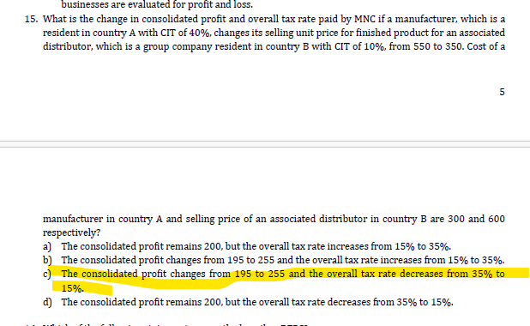
 |  | country A | country B
 |  | division X | division Y
 | CIT rate | 40% | 10%
 | COS for division X | 300 | 600 | Selling price for division Y
TP
scenario a: | 550
scenario b: | 350

 | Profit margin | 250 | 50
 | CIT | 100 | 5
 | Total CIT |  | 105 |  | 195 | EAT scenario a
 | Effective CIT |  | 35% | scenario a
 |  | 83% | 17% | profit split

 | Profit margin | 50 | 250 |  |  |  | From country with higher tax burden to country with lower tax burden
 | CIT | 20 | 25 |  |  |  |  | TP is close to COS i.e. 350 vs 300
 | Total CIT |  | 45 |  |  |  |  | Biggest share of profit stays in country with lower tax burden
 | Effective CIT |  | 15% | scenario b | 255 | EAT scenario b
 |  | 17% | 83% | profit split

 | Tax saving in case of shift in TP from 550 to 350 is: |  |  |  | 133%

 |  |  |  |  |  |  |  |  | When stock is acquired/produced in country with high tax burden but sold in country with low tax burden then TP which helps to minimize tax CIT expense will be close to COS of such stock

