Basics of accounting
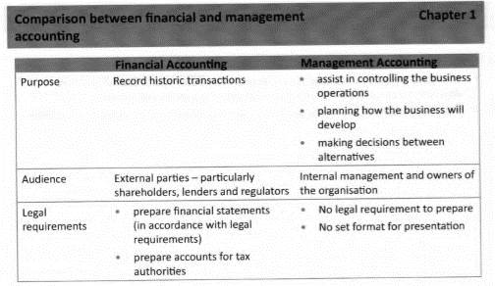
Part I. | Basics of accounting
 | 1 | fin vs management accounting
 |  |  |  |  |  |  |  |  |  |  | Correction of errors and suspense accounts:
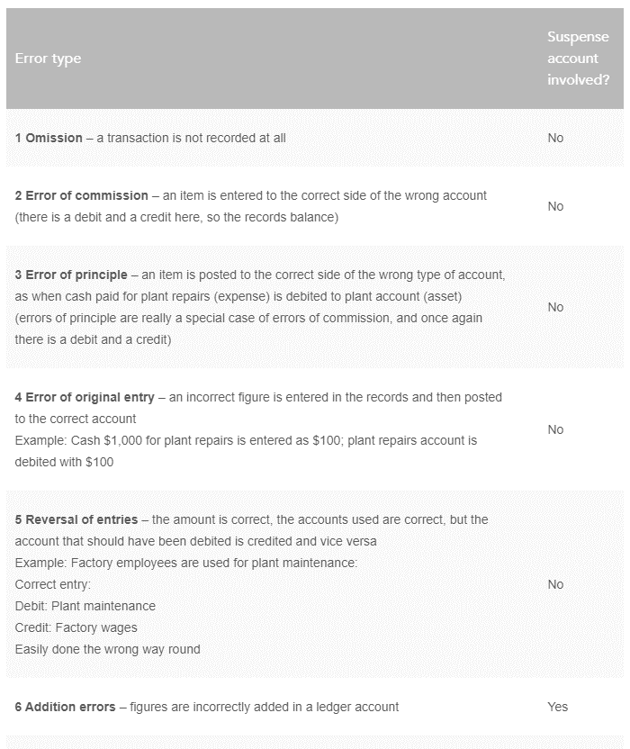

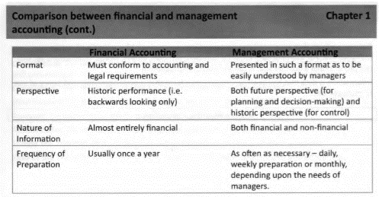

 | 2 | accounting cycle and double entry book keeping
 |  |  | preparation of fin statements
 |  |  |  | transactions recorded in subledger accounts (e.g. customer accounts, vendor accounts)
 |  |  |  | subledger accounts are balanced and closed off into control/general ledger (GL) accounts (e.g. debtor account, creditor account etc.)
 |  |  |  | trial balance extracted from GL accounts
 |  |  |  | year-end adjustments made and GL accounts closed off
 |  |  |  | trial balance used to prepare financial statements
 |  |  | books of primary entry (records in subledgers) - are used to update GL accounts
 |  |  |  | sales day book
 |  |  |  | purchases day book
 |  |  |  | cash book (cash receipts, cash paymens, petty cash)
 |  |  |  | journals
 |  |  | control accounts (records in general ledger) - are used to prepare trial balance
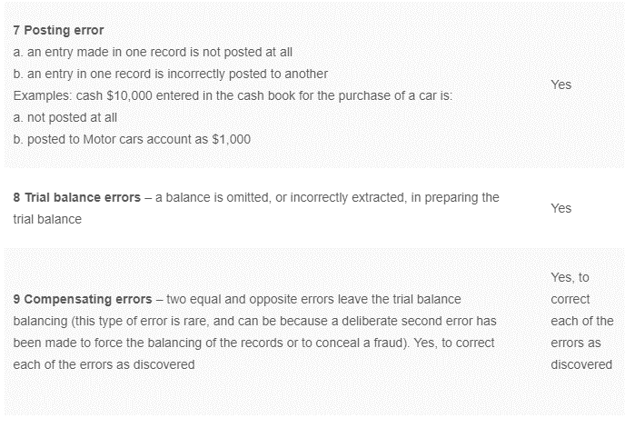
 |  |  |  | reconciliation (rec)
 |  |  |  |  | recs - means of checking that balancee on the control (GL) account agrees with balance on the ledger account
 |  |  |  |  | how to prepare a rec:
 |  |  |  |  |  | take breakdowns at transaction level of all records from related subledger accounts
 |  |  |  |  |  | compare total amount from breakdown and GL cummulative balance
 |  |  |  |  |  | if two total amount do not reconcile, investigate the variance
 |  |  | suspense accounts (incomplete records)

 |  |  | end-to-end period close includes:

 | 3 | accounting documents
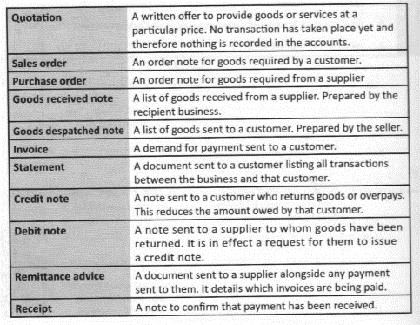

 | 5 | accruals and prepayments
 |  |  |  | arises when moment of impact on P/L and moment of actual cas are not the same:

 |  |  |  | Cash flow now | Cash flow later
 |  |  | Income statement now |  | Accrual |  |  |  |  |  |  |  |  | Expense |  |  |  |  | Income
 |  |  | Income statement later | Prepayment |  |  |  |  |  |  |  |  | accrued |  | prepaid |  |  | accrued |  | prepaid
 |  |  |  |  |  |  |  |  |  |  |  | profit reduction | currentliability |  | profit increase | current asset | profit increase | current asset |  | profit reduction | currentliability
 |  |  |  | Accrued expense |  |  | release
 |  |  |  |  | Db | Expense (P/L) |  | Db | Accued expense (B/S)
 |  |  |  |  | Cr | Accued expense (B/S) |  | Cr | Invoice received or credit note issued to customer (payable) (B/S)
 |  |  |  | Accrued income |  |  |  |  |  | 0 impact on P/L when actual expense/income is received
 |  |  |  |  | Db | Accued income (B/S) |  | Db | Invoice issued or debit note issued to vendor (receivable) (B/S)
 |  |  |  |  | Cr | Income (P/L) |  | Cr | Accued income (B/S)
 |  |  |  | Prepaid expense
 |  |  |  |  | Db | Prepaid expense (B/S) |  | Db | Expense (P/L)
 |  |  |  |  | Cr | Expense (P/L) |  | Cr | Prepaid expense (B/S)
 |  |  |  | Prepaid income (aka deferred income) |  |  |  |  |  | release of amounts from B/S into P/L
 |  |  |  |  | Db | Income (P/L) |  | Db | Deferred income (B/S)
 |  |  |  |  | Cr | Deferred income (B/S) |  | Cr | Income (P/L)

Conceptual framework
1 | Conceptual framework (evidence from IFRS)
 |  | Role of Conceptual framework
 |  |  | Conceptual framework can be seen as frame for evaluation of existing accounting practices and development of new ones. It forms theoretical basis for determining how transactions should be measured (historcial value or current value) and reported - i.e. how transactions are presented and communicated to users of fin statements
 |  |  | Past history of standard setting bodies thoughout the world indicates that absence of conceptual framework results in production of accounting standards that have serios drawbacks:
 |  |  |  | such standards were often not consistent with each other particularly in questions of prudence vs accruals basis
 |  |  |  | such standards were intenrally not consistent and often prioritized effect of transaction on P/L in compariosn with effect on BS
 |  |  |  | standards were produced on 'fire fighting' basis, often reacting on corporate scandals rather than being proactive in determining best pracice
 |  |  |  | the same theoretical issues were revised many times in successive standards (e.g. R&D expenses)
 |  |  | Lack of conceptual framework resulted in creation of rules-based system of accounting according to which treatment of all accounting transactions shuld be delt with by detailed specific rules or requirements. Such system is very prescriptive and inflexible but has the attraction of fin statements being more comparable and consistent.
 |  | Aims of conceptual framework are:
 |  |  | being a basis for evaluation of existing accounting practices and development of new ones
 |  |  | promotion of harmonization of accounting standards by reducing the number of permitted alternative accounting treatments |  |  |  |  |  |  |  |  |  |  |  |  |  |  |  |  | Conceptual framework
 |  |  | assist acountants in dealing with accounting transactions for which there is not (yet) an accounting standard |  |  |  |  |  |  |  |  |  |  |  |  |  |  |  |  | IFRS
2 | IFRS |  |  |  |  |  |  |  |  |  |  |  |  |  |  |  |  |  |  | Fin statements
 |  | IFRS - can be seen as common language for financial reporting which first was created for EU-member states, but soon received wide-world adoption. |  |  |  |  |  |  |  |  |  |  |  |  |  |  |  |  |  |  | quality characteristics of information
 |  | Advantages of adoption of IFRS |  |  |  |  |  |  |  |  |  |  |  |  |  |  |  |  |  |  | underlying assumptions for preparation of fin statements
 |  |  | IFRS are widely accepted as a set of high-quality and transparent global standards intented to achieve consistency and comparability across the globe |  |  |  |  |  |  |  |  |  |  |  |  |  |  |  |  |  | elements of fin statetments
 |  |  | They were produced in cooperation with other internationally renowned standard setters with aim of achiving consensus and global convergence |  |  |  |  |  |  |  |  |  |  |  |  |  |  |  |  |  | reporting of elements of fin statements(recognition and measurement)
 |  |  | Companies using IFRS have an enhanced status and reputation |  |  |  |  |  |  |  |  |  |  |  |  |  |  |  |  |  | types of fin statatments
 |  |  | International Organization for Securities Commissions (IOSCO) recognizes IFRS for listing purposes. This makes it easier and cheaper to raise finance in international markets. |  |  |  |  |  |  |  |  |  |  |  |  |  |  |  |  |  | consolidation of fin statements
 |  |  | Companies that own foreign subsidiaries will find it easier to consolidate fin stataments of all members of tho group if all subsidiaries use IFRS. |  |  |  |  |  |  |  |  |  |  |  |  |  |  |  |  |  | events after reporting period
 |  |  | Companies that use IFRS will find their results are more easily compared with those of other companies that use IFRS.
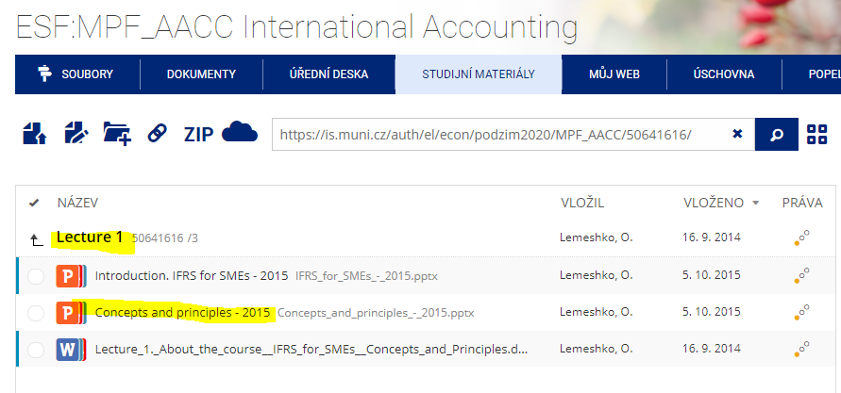
 |  | Note! Accounting standards alone cannot provide regulatory framework, particulary since in many countries they (IFRS) do not have legal standing. Thus regulatory framework of juresdiction may include all of the following:
 |  |  | IFRS themselves
 |  |  | local company law and local tax law
 |  |  | local securities exchange regulations
 |  |  | EU directives
 |  |  | local GAAP
 |  | Structure of IFRS
 |  |  | IFRS Foundation
 |  |  |  | IFRS Advisory Council
 |  |  |  | International Accounting Standards Board (IASB) |  |  |  |  |  | FASB
 |  |  |  | IFRS Interpretations Committee (IFRIC)
 |  | Standard setting process
 |  |  | setting the agenda - IASB will add projects to its agenda on requests of IASB staff members and practicing accountants
 |  |  | project planning - working party is established
 |  |  | development and publication of discussion paper (DP) - it is not mandatory step, but it is oftenly used, especially in case if project addresses a major issue. DP explains the issue and possible accounting solutions and invites to comment
 |  |  | development and publication of exposure draft (ED) - it is mandatory step. It is a draft of future standard. Comments on it are collected and analyzed and if required ED is amended and re-exposed.
 |  |  | development and publication of IFRS - when al issues from ED are resolved, final standard is subject to approval by IASB.
 |  |  | procedures after IFRS is issued - IASB monitors the application of new standard and any areas that may need clarification and addresses these when standard is revised.
3 | Fin statements
 |  | information presented in fin statements - quality characteristics
fundamental characteristics
 |  |  | Information presented in FS should be useful
 |  |  |  | it should be able to influence economic decision of users of such fin statements (relevance)
 |  |  |  | it should be faithful - complete, neutral, free from error and reflect economic substance of the transaction rather than its legal form (reliability)
 |  |  | Usefulness of information presented in FS is enhanced by if such info is also
enhancing characteristics
 |  |  |  | comparable
 |  |  |  | verifiable
 |  |  |  | provided on timely basis
 |  |  |  | and in compehesive way
 |  | principles/assumptions for preparation of fin statements
 |  |  | going concern - company will continue its business activity in the foreseable future
 |  |  | accrual/matching - expenses and incomes should be recorded in PL in the period when they actually happened regardless of recipt/issue of invoice or cash payments
 |  |  | consistency - methodology for preparation of fin statements cannot change fro period to period (otherwise information presented in such statements will not be comparable between periods)
 |  |  | materiality - correct level of aggregation of transactions and items should be applied
 |  |  | substance over form - items recorded in fin stataments should be recorded according to their economic substance and never according to their legal form. Examples
 |  |  |  | where assets are 'sold' at prices that are greater or less than their fair values, substance is applied. Ofthen it is really a secured loan.
 |  |  |  | when an asset is leased and used by lessee despite the fact that the lessor is still the legal owner until fully paid, the lessee behaves like owner. So in case of such lease - fin lease - lessee is user of leased asset during the assets economic life: lessee capitalizes it at cash price, depreciates etc.
 |  |  |  | in consolidations despite the fact that the parent owns only 51% of subsidiary, the entire subsidiary is consolidated (i.e. 100% of subsidiary's assets are added to parent's assets). Legally the parent may own 51% only but in day-to-day economic reality the parent can control the entire subsidiary.
 |  |  |  | in case of consignment inventory if risks and rewards of for example motor vehicle despatched from manufacturer to show-room owner are substantially with the showroom owner then the showroom owner must treat it as of it is its inventory even though legally they belong to manufacturer until paid for
 |  |  |  | a sale and repurchase of maturing goods - where the inventory doesn't leave the premise of the seller and sale is to a bank - it is considered a seured loan. Legally title mayhave passed to the bank but linking the two transactions together, it is inventory of seller.
 |  |  | prudence - expenses recorded in fin statements shuld not be underestimated and incomes recorded should not be overestimated. This is often called 'assymetric prudence'.
 |  | elements of fin statements
 |  |  | asset - resource controlled by the entity as a result of past event and from which future economic benefits are expected (i.e. there are potencial economic benefits)
 |  |  | liability - present obligation arising from past events and settlement of which is certain and will result in (potencial) outflow of resources embodying economic benfits
 |  |  | equity - residual interest in assets after deducting from them liabilities => equity = net assets
 |  |  | income - increases in economic benefits in form of enhancements of assets or decreases of liabilities that result in increase in equity other than by contribution from equity participants. Note: some types of income are required to be directly recognized in equity (not through P/L first) e.g. revaluation gains on assets go straight to reserves which are part of equity.
 |  |  | expense - decreases in economic benefits in form of decreases of assets or increases of liabilities that result in decrease in equity other than by distributions to equity participants
 |  | reporting of elements of fin statements
 |  |  | recognition criteria for elements - an item can be recognized as element of fin statements (i.e. recorded in fin statements as such) if it:
 |  |  |  | meets the definition of particular element
 |  |  |  | it is probable that any future economic benefits (aka potencial benefits) associated with such item will inflow or outflow from the entity
 |  |  |  | item's cost or value can be measured reliably
 |  |  |  | recognition of such items (i.e. assets or liabilities) provides users of fin statements with information
 |  |  |  |  | that is relevant - If the probability of the event is low, this may not be the most relevant information. The most relevant information may be about the potential magnitude of the item, the possible timing and the factors affecting the probability.
 |  |  |  |  | that results in benefits exceeding the cost of providing that information
 |  |  | measurement basis for elements (i.e. amounts at which elements are recorded in fin statements):
 |  |  |  | according to methodology how to calculate and economic substance
 |  |  |  |  | at cost (historical evaluation) - all input info is available but it can be outdated
 |  |  |  |  |  | current cost - what the asset cost to purchase less any depreciation or amortization.
 |  |  |  |  | at value (current evaluation) - not all input info may be available (thus actuals can be substituted with estimates), but up to date
 |  |  |  |  |  | fair value (aka market value) - it is an estimate of what the asset could be sold for (if certain conditions are met). Thus it is exit value focusing on the values which will be gained from the item. Methogology how it should be determined:
 |  |  |  |  |  |  | info input of level 1 - quoted price: identical items at active market
 |  |  |  |  |  |  | info input of level 2 - observable inputs: similar items at active/inactive market
 |  |  |  |  |  |  | info input of level 3 - unobservable inputs: best info available e.g. valuation models
 |  |  |  |  |  | value in use (or fulfilment value for liabilities) - it is present value, which is an estimate of discounted future cash flow which is expected to be generated by the asset
 |  |  |  |  |  | current cost - it is replacement cost, which is an estimated cost to buy an identical item or construct/produce it at current prices. It is entry value.
 |  |  |  | according to application
 |  |  |  |  | carrying amount (book value) - amount at which item is recorded in evidence
 |  |  |  |  | recoverable amount (reference amount) - amount higher of either the asset's future value for the company or the amount it can be sold for, minus any transaction costs. It is used for comparison with carrying amount in cases of impairment testing
 |  |  |  |  | revalued amount (new book value) - amount higher of either the asset's present value for the company or the amount it can be sold for, minus any transaction costs. It is used for comparison with carrying amount in cases of revaluations (write downs or write ups)
 |  | types of statements
 |  |  | statement of financial position (balance sheet)
 |  |  |  | current/non-current distinction |  |  |  |  |  |  |  |  |  | Retained profits/losses (BS)
 |  |  |  |  | it will be realized/settled within 12 months of the reporting date or
 |  |  |  |  | it is held for the purpose of trading or |  |  |  |  |  |  |  | Business result - loss |  | Business result - profit
 |  |  |  |  | it is part of entity's normal operating cycle
 |  |  | statement of P/L and other comprehensive income (income statement)
 |  |  |  | continuing operations - running business activities
 |  |  |  | discontinued operations - closed business activities
 |  |  |  | other comprehensive income may include
 |  |  |  |  | movements in revaluation surplus
 |  |  |  |  | gains and losses on equity instruments classified as financial assets measured at FV through other comprehensive income
 |  |  |  |  | FX differences
 |  |  |  | exceptional items
 |  |  |  |  | certain material income or expense items, known as exceptional items, may be listed on the face of income statetemnts before profit from operations
 |  |  |  |  | smaller exceptional items are not disclosed in income statement but instead within notes to accounts, normally the operating profit note.
 |  |  | statement of change in equity
 |  |  |  | reflects changes in components of company's equity due to
 |  |  |  |  | net incomes (profits) or net expenses (losses) generated during busoness activity of the company
 |  |  |  |  | direct contribution or distributions of equity components by/to business owners
 |  |  |  |  | reclasses (transfers) between different components of equity
 |  |  | statement of cash flow
 |  |  |  | it highlights the key areas where a business has generated and spent cash.
 |  |  |  | Good cash management ensures a business has sufficient cash to run its day to day operations.
 |  |  |  | Advantages of cash flow statement
 |  |  |  |  | cash flow balances are a matter of fact and are not distorted by accounting policies (adjustments, estimates, accruals etc.)
 |  |  |  |  | cash flow balances are objective, unlike profit which is subjective.
 |  |  |  |  | users of fin statements can establish how business has generated cash.
 |  |  |  |  | users can identify exactly how cash has been spent.
 |  |  |  |  | users can assess the ability of business to generate cash in the future.
 |  |  |  | Operating cash flow
 |  |  |  |  | Methods for calculating operating cash flow
 |  |  |  |  |  | direct - information is extracted from ledger accounts (not just fin statements), mainly from bank accounts (cash flow picture is actual) => used by internal users who has access to management accounts
 |  |  |  |  |  |  | Cash sales
 |  |  |  |  |  |  | Cash received from credit customers
 |  |  |  |  |  |  | Cash purchases
 |  |  |  |  |  |  | Cash paid to credit suppliers
 |  |  |  |  |  |  | Cash expenses (e.g. telephone charges, bank commissions)
 |  |  |  |  |  |  | cash wages and salaries
 |  |  |  |  |  | indirect - information is extracted from fin statements (cash flow picture is reconciled from fin stataments) => used by external users who do not have access to management accounts
 |  |  |  |  |  |  | Profit before tax
 |  |  |  |  |  |  | Adjustment for non-cash items
 |  |  |  |  |  |  |  | depreciation/amortization
 |  |  |  |  |  |  |  | loss/(profit) on disposal of non-current assets
 |  |  |  |  |  |  |  | finance costs - it needs to be added here because it will be deducted in the part of Financing cash flow; otherwise it will be double counted: (1) as per of Profit before tax; (2) as part of Financing cash flow
 |  |  |  |  |  |  |  | (investment income) - it needs to be dedcuted here because it will be adde back in part of Investing cash flow' otherwise it will be double counted: (1) as per of Profit before tax; (2) as part of Investing cash flow
 |  |  |  |  |  |  | (Increase)/decrease in inventory
 |  |  |  |  |  |  | (Increase)/decrease in receivables
 |  |  |  |  |  |  | Increase/(decerase) in payables
 |  |  |  | Investment cash flow
 |  |  |  |  |  | (Purchase of non-current assets)
 |  |  |  |  |  | Proceeds from sale of non-current assets
 |  |  |  |  |  | Interest received
 |  |  |  |  |  | Dividends received (if in cash)
 |  |  |  | Financing cash flow
 |  |  |  |  |  | Funds raised - through issue of financial instruments
 |  |  |  |  |  | Borrowings received
 |  |  |  |  |  | (Borrowings repaid)
 |  |  |  |  |  | (Redemption of issued financial instruments)
 |  |  |  |  |  | (finance costs)
 |  |  |  |  |  | Dividends paid (if in cash)
 |  |  | consolidated financial instruments
 |  |  |  | basic terms
 |  |  |  |  | parent - a company that has a controlling interest in another company, giving it control of its operations. |  |  |  |  |  |  |  |  |  |  |  |  | Amount of investment: | Classification of investment | Method of accounting to be applied
 |  |  |  |  | subsidiary - a company that belongs to another company, which is usually referred to as the parent company. Subsidiary's fin statatments are consolidated with fin statements of the parent. |  |  |  |  |  |  |  |  |  |  |  |  | <20% of ordinary shares of acquired entity |  | cost method. Cost is measured at fair value
 |  |  |  |  | control |  |  |  |  |  |  |  |  |  |  |  |  | 20-50% of ordinary shares of acquired entity | associate | equity method of accounting for such investment. Use of equity method is based on assumption that investor can exert a significant influence over the investee (purchased company). Two companes - investing company and associate - become together a joint venture
 |  |  |  |  |  | what is control? |  |  |  |  |  |  |  |  |  |  |  | >50% of ordinary shares of acquired entity | subsidiary | consolidation method of accounting for such investment. Use of consolidation method is based on assumption that investor exerts a full control over the investee (purchased company). Two companes - parent company and subsidiary - become together a group.
 |  |  |  |  |  |  | one company has power over another when it has the ability to direct that company's business activities, which significantly affect investee's returns
 |  |  |  |  |  |  | it can be achieved simlly by owning a majority or voting shares ir it may come from contractual arrangements
 |  |  |  |  |  |  | it is irrelevant wether a parent company uses its ability to direct business activity of subsidiary, what is important is that it has the ability to do so.
 |  |  |  |  | non-controlling interest (NCI) - a minority interest; it is an ownership position wherein a shareholder owns less than 50% of outstanding shares and has no control over decisions. |  |  |  |  |  |  |  |  |  |  |  |  |  |  |  |  | 0% | 20% | 50% |  | 100%
 |  |  |  |  | associate - a company in which another company owns a significant portion of voting shares (aka 'significant nterest'), usually 20–50%. In this case, parent company does not consolidate the associate's financial statement
 |  |  |  |  | significant influence - when a company holds approximately 20% to 50% of a company's stock, it is considered to have significant influence |  |  |  |  |  |  |  |  |  |  |  |  |  |  |  |  |  | investment
 |  |  |  | consolidation adjustments |  |  |  |  |  |  |  |  |  |  |  |  |  |  |  |  |  |  | associate
 |  |  |  |  | general rules: |  |  |  |  |  |  |  |  |  |  |  |  |  |  |  |  |  |  |  | subsidiary
 |  |  |  |  |  | the legal form here is two separate companies but the economic reality is single entity and that must be reflected in the method of consolidation.
 |  |  |  |  |  | fin statements of parent and subsidiary used in the consolidationshould have the same year end. If subsidiary has different year end date within 3 months of that of the parent then the fin statements can be used with adjustment for any significant transactions in the 3 month period. if the period is greater than 3 months, then the draft fin statements for the subsidiary must be prepared for the purpose of consolidation
 |  |  |  |  |  | all group companies should have the same accounting policies. This may require adjustments to subsidiary's figures.
 |  |  |  |  |  | there is a single entity concept: all intergoup transactions between the parent and subsidiary should be cancelled out because the took place within the same entity and only transactions with the outside world must be recorded in the consolidated accounts.
 |  |  |  |  |  | theer are some exceptions from consolidation:
 |  |  |  |  |  |  | a parent shouldn't prepare consolidated fin stataments if it itself is whollly-owned subsidiary
 |  |  |  |  |  |  | parent's securities are not publicly traded and it is not in the process of issuing secutiries
 |  |  |  |  | consolidated statement of financial position
 |  |  |  |  |  | steps in consolidation
 |  |  |  |  |  |  | cost of investment into subsidiary shown in parent's BS is canceleld afainst subsidiary's share capital and pre-acquisition retained earnings. Any difference between the two offseting amounts (i.e. balancing figure) is recognized as goodwill
 |  |  |  |  |  |  |  | if difference is positive, then goodwill is recognized as intangible asset, which is not amortized but measured at its historical cost and tested for impairment annualy.
 |  |  |  |  |  |  |  | if difference is negative, then goodwill is credited to consolidated income statement.
 |  |  |  |  |  |  |  | Note! Inherent (non-purchased) goodwill should never be included into BS
 |  |  |  |  |  |  | if parent is not purchasing 100% of subsidiary, then Nci is recognized
 |  |  |  |  |  |  | assets and liabilities of parent and subsidiary are combined on line-by-line basis (except group receivables and payables)
 |  |  |  |  |  |  | share capital presented in BS is only that of parent (because the one of subsidiary wqas already cancelled at prior step against parent's investment into subsidiary)
 |  |  |  |  |  |  | retained earnings are parent's retained earnings plus subsidiary's post-acquisition retained earnings
 |  |  |  |  |  | proforma
 |  |  |  |  |  |  |  |  |  |  |  |  | Adjustments to BS
 |  |  |  |  |  |  |  | non-current assets |  |  |  | 1 | Goodwill adjustments - net total value acquired |  |  | Substance of adjusting entries:
 |  |  |  |  |  |  |  |  | PPE | 100% P + S |  |  |  | investment at cost |  | price paid for consolidation
 |  |  |  |  |  |  |  |  | goodwill | see adjustments No. 1 |  |  |  | NCI at FV at acquisition date |  | price paid for consolidation
 |  |  |  |  |  |  |  | current assets |  |  |  |  |  | (Net assets at FV at acquisition date) |  | value acquired from consolidation
 |  |  |  |  |  |  |  |  | stock | 100% P + S
 |  |  |  |  |  |  |  |  | receivables | 100% P + S (BUT except intra-group balances) |  | 2 | NCI adjustments - total value
 |  |  |  |  |  |  |  |  | bank and cash | 100% P + S |  |  |  | NCI at FV at acquisition date |  | amount before consolidation
 |  |  |  |  |  |  | total assets |  |  |  |  |  |  | NCI % in post acquisition reserves of subsidiary |  | impact of consolidation
 |  |  |  |  |  |  |  | equity
 |  |  |  |  |  |  |  |  | share capital (parent only) | 100% P + S |  | 3 | Consolidated reserves - net total value acquired
 |  |  |  |  |  |  |  |  | retained earnings | see adjustments No. 3 |  |  |  | 100% of reserves of parent at year-end |  | amount before consolidation
 |  |  |  |  |  |  |  |  | NCI | see adjustments No.2 |  |  |  | group % of post acquisitio reserves in subsidiary |  | impact of consolidation
 |  |  |  |  |  |  |  | non-current liabilities |  | 100% P + S |  |  |  | (PUP adjustment (P sells to S)) |  | remove double counting
 |  |  |  |  |  |  |  | current liabilities |  | 100% P + S (BUT except intra-group balances)
 |  |  |  |  |  |  | total equity and liabilities

 |  |  |  |  |  | Notes:
 |  |  |  |  |  |  | Elimination of intra-group balances
 |  |  |  |  |  |  |  | group accounts should only show balances with parties outside the group. If intra-group balance exists between parent and subsidiary then an adjustment should be made in group accounts in order to cancel the respective balance.
 |  |  |  |  |  |  |  |  | Db | Group payable
 |  |  |  |  |  |  |  |  | Cr | Group receivable
 |  |  |  |  |  |  | Provision for unrealized profit
 |  |  |  |  |  |  |  | companies within a group have made sales to one another at a profit, yet the goods traded between such companies remain within the group at the reporting date, this creates 'unrealized profit'.
 |  |  |  |  |  |  |  | If there is intra-group sales but all goods have subsequently been sold outside the group i.e. nothing is in the inventory at the year-end, there is no PUP
 |  |  |  |  |  |  | Cost of investment
 |  |  |  |  |  |  |  | ways how to strcutre the deal:
 |  |  |  |  |  |  |  |  | to purchase shares in subsidiary for cash
 |  |  |  |  |  |  |  |  | to purhase shares in subsidiary and give them paranet's own sahers in return (known as share exchange)
 |  |  |  |  |  |  |  | if share exchange is the case how transaction price is paid, then the cost of investment is determined in the following way:
 |  |  |  |  |  |  |  |  | work out number of shares acquired in the subsidiary
 |  |  |  |  |  |  |  |  | calculate how many parent's shares will be issued in return (what is the ration between shares subsidiary's share acquired and parent's shares given away)
 |  |  |  |  |  |  |  |  | calculate the value of parent's shares by multiplying by the parent share price at acquisition
 |  |  |  |  | consolidated income statement
 |  |  |  |  |  | steps in consolidation
 |  |  |  |  |  |  | group income = parent's income + subsidiary's income (as all income is controlled by the group)
 |  |  |  |  |  |  | group expenses = parent's expenses + subsidiary's expenses (as all expenses are ontrolled by the group)
 |  |  |  |  |  |  | dividend income from subsidiary which is shown in parent's income statement, should be cancelled in consolidated income statement (because single entity doesn't pay income to itself)
 |  |  |  |  |  |  | profit attributable to NCI is calculated as: NCI% * subsidiary's profit after tax adjusted for consolidation purposes
 |  |  |  |  |  |  | goodwill recognized as result of business combination in consolidated balance sheet should be tested for impairment annually.
 |  |  |  |  |  |  |  | if full goodwill is impaired - loss is shared between the NCI and the group in the same ratio as subsidiary's profit for the year
 |  |  |  |  |  |  |  | if proportionate goodwill is impaired - loss is assigned only to the group reservesin group's share on subsidiary's profit for the year
 |  |  |  |  |  | proforma
 |  |  |  |  |  |  | Notes:
 |  |  |  |  |  |  |  | Mid-year acquisitions of subsidiary
 |  |  |  |  |  |  |  |  | we must include into consolidated business result only that part of subsidiary's business result that arose after acquisition i.e. whilest under the control of the parent. If the acquisition occurred in the middle of the year, we should only include the second half of the subsidiary's result for the year
 |  |  |  |  |  |  |  | Elimination of intra-group trading
 |  |  |  |  |  |  |  |  | an adjustment shuld be made to reflect intra-group sales revenue: such revenue should be deducted from total consolidated revenue. The same should be done for COS: they need to be deducted from total COS.
 |  |  |  |  |  |  |  |  |  | Db | Group sales
 |  |  |  |  |  |  |  |  |  | Cr | Group COS
 |  |  |  |  |  |  |  |  | If there is intra-group sales but all goods have subsequently been sold outside the group i.e. nothing is in the inventory at the year-end, show only cancellation of intra-group tarding (i.e. cancelation of intra-goup sales and COS) but nort PUP.
 |  |  |  |  |  |  |  | Accounting treatment of associate (equity methond)
 |  |  |  |  |  |  |  |  | investment into associate is initially recognized at cost in the group BS and the carrying amount is increased/decerased to recognize the investor's share of profit or loss of investee after date of acquisition.
 |  |  |  |  |  |  |  |  | investor;s share of profit or loss of investee is recognized in the group income statements as a single line entry.

 |  |  |  |  |  | product |  | till revenue |  |  |  |  | Adjustement: less intra-group sales
 |  |  |  |  |  | product |  | direct COS |  |  | transaction margin |  | Adjustement: less intra-group purchases
 |  |  |  |  |  |  |  | transaction margin

 |  |  |  |  |  | product | non-direct COS | supplier rebates
 |  |  |  |  |  | product | non-direct COS | product WOFs/WONs |  |  | non-transaction margin
 |  |  |  |  |  | product | non-direct COS | product returns

 |  |  |  |  |  |  |  | product margin

 |  |  |  |  |  | non-product |  | services sold to customers
 |  |  |  |  |  | non-product |  | direct COS |  |  | non-product margin
 |  |  |  |  |  | non-product |  | bad debt expense
 |  |  |  |  |  | non-product |  | credit cards commissions

 |  |  |  |  |  | other |  | marketing costs |  |  | operating expenses before gross margin
 |  |  |  |  |  | other |  | distribution costs |  |  |  |  | Extra line: less unralized profit in inventory
 |  |  |  |  |  |  |  | Gross margin

 |  |  |  |  |  | other |  | property costs |  |  | operating expenses after gross margin
 |  |  |  |  |  | other |  | payroll costs
 |  |  |  |  |  | other |  | overheads
 |  |  |  |  |  |  |  |  |  |  |  |  | Extra line: plus admin expenses
 |  |  |  |  |  |  |  | Operating profit
 |  |  |  |  |  |  |  |  |  |  |  |  |  |  |  | Db | BS - as getting new resource for the business
 |  |  |  |  |  |  |  | Finance costs |  |  |  |  |  |  |  | Cr | CF statement - as outflow of cash

 |  |  |  |  |  |  |  | Profit before tax |  |  |  |  |  |  |  | Db | CF statement - as inflow of cash
 |  |  |  |  |  |  |  |  |  |  |  |  |  |  |  | Cr | BS - as taking out an existing resource from the business
 |  |  |  |  |  |  |  | Income tax expense |  |  |  |  |  |  |  | Cr/Db | P/L - as result on disposal

 |  |  |  |  |  |  |  | Profit after tax

 |  |  |  |  |  |  |  | Discontinued operations |  |  |  |  | Extra line: less unralized profit in non-current assets

 |  |  |  |  |  |  |  | Profit for the year

 |  |  | events after the reporting period (i.e. after year-end)
 |  |  |  | an event after the reporting period is the event that occurs between the accounting year end and the date on which the fin statements are authorized for issue
 |  |  |  | types of events and their impact on fin statements
 |  |  |  |  | adjusting events - provide additional evidence of conditions that existed before/at year-end date => fin statements need to be adjusted to include the impact of such event
 |  |  |  |  | non-adjusting events - conditions that did not exist before/at year-end date => fin statements shouldn't be adjusted to include the impact of such event. EXCEPTION: going concern is the only exception

