icecream
Example: Ice Cream Sales

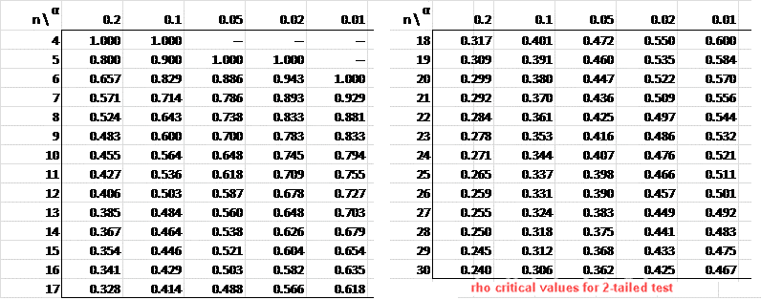
The local ice cream shop keeps track of how much ice cream they sell versus the temperature of that day for the last 12 days:
Formulate a null hypothesis and verify it by Pearsons and Spearman coefficients
H0: there is no correlation between the number of sales and temperature
H1: there is positive correlation between the number of sales and temperature

 | Temperature (°C) | Ice Cream Sales ($) |  | rank temperature | rank sales | d
 | 14.2 | 215 |  | 11 | 11 | 0
 | 16.4 | 325 |  | 9 | 10 | -1
 | 11.9 | 185 |  | 12 | 12 | 0
 | 15.2 | 332 |  | 10 | 9 | 1
 | 18.5 | 406 |  | 6 | 8 | -2
 | 22.1 | 522 |  | 4 | 3 | 1
 | 19.4 | 412 |  | 5 | 6 | -1
 | 25.1 | 614 |  | 1 | 1 | 0
 | 23.4 | 544 |  | 2 | 2 | 0
 | 18.1 | 421 |  | 7 | 5 | 2
 | 22.6 | 445 |  | 3 | 4 | -1
 | 17.2 | 408 |  | 8 | 7 | 1
 |  |  |  |  | sumsq= | 14
 | average | average |  |  | n | 12
 | 18.7 | 402.42 |  | rs>crit value | n^3-n | 1716
 |  |  |  | H0 rejected | rs= | 0.95104895105
 |  |  |  |  | crit value (0,05) | 0.587
 | x1-xaverage | y1-yaverage | dx*dy | dx^2
 | -4.5 | -187.42 | 838.68958333
 | -2.3 | -77.42 | 176.12291667
 | -6.8 | -217.42 | 1472.9979167
 | -3.5 | -70.42 | 244.69791667
 | -0.2 | 3.58 | -0.62708333333
 | 3.4 | 119.58 | 409.57291667
 | 0.7 | 9.58 | 6.9479166667
 | 6.4 | 211.58 | 1359.4229167
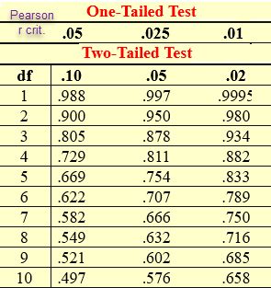
 | 4.7 | 141.58 | 668.98125
 | -0.6 | 18.58 | -10.685416667
 | 3.9 | 42.58 | 167.13958333
 | -1.5 | 5.58 | -8.2354166667

 | 177.0 | 174754.9 | 5325.025 | sum of dx*dy

 | r>crit value
 | H0 rejected
 | 0.957506623 | critical value= 0,576
 | d.f. | 10
 | alpha | 0.05

