Hárok1
Compare parametric and non-parametric statistics:

NON-PARAMETRIC:
 |  |  | Q-test: | H0 = There is no outlier in the data set. |  |  |  | Confidence interval:
Data set | sorted | Q |  | H1 = There is one outlier in the data set. |  |  |  |  | Data set sorted
30.1 | 30.1 | 0.351 |  |  |  |  |  |  | 30.1 |  | N= | 8
32.56 | 32.56 |  |  | alpha= | 0.05 |  |  |  | 32.56 |  |  | <30,1;35,14>
33.33 | 33.33 |  |  | range= | 7 |  |  |  | 33.33
34.1 | 34.1 |  |  | N= | 8 |  |  |  | 34.1
34.45 | 34.45 |  |  | Qcrit= | 0.526 |  |  |  | 34.45
35.12 | 35.12 |  |  |  |  |  |  |  | 35.12
35.14 | 35.14 |  |  | The calculated value 0,351 is smaller than the critical value 0,526. |  |  |  |  | 35.14
37.1 | 37.1 | 0.280 |  | Therefore, the null hypothesis is accepted, no outlier present. |  |  |  |  | 37.1
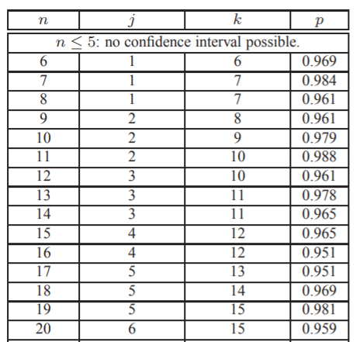
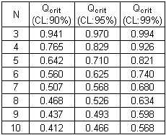

PARAMETRIC:
 |  | Grubb´s test: | H0 = There is no outlier in the data set.
Data set |  |  | H1 = There is one outlier in the data set.
30.1 |  |  |  |  |  |  |  |  | Confidence interval - Student:
32.56 |  |  | Max value= | 37.1 |  | T (max)= | 1.5007875887
33.33 |  |  | Min value= | 30.1 |  | T (min)= | 1.8744776711 |  |  | Data set
34.1 |  |  | Mean= | 33.99 |  | critical= | 2.1266 |  |  | 30.1
34.45 |  |  | St. dev.= | 2.073911074 |  |  |  |  |  | 32.56 |  |  | N= | 8 | s.e.m.= | 0.73
35.12 |  |  |  |  |  | Both calculated values are lower than the critical value 2,1266. |  |  |  | 33.33 |  |  | Mean= | 33.99 | L1= | 32.25
35.14 |  |  |  |  |  | Therefore, the null hypothesis is accepted, there is no outlier. |  |  |  | 34.1 |  |  | St. dev.= | 2.07 | L2= | 35.72
37.1 |  |  |  |  |  |  |  |  |  | 34.45
 |  |  |  |  |  |  |  |  |  | 35.12 |  |  | t= | 2.36 | <32,25;35,72>
 |  |  |  |  |  |  |  |  |  | 35.14 |  |  | alpha= | 0.05
 |  |  |  |  |  |  |  |  |  | 37.1

CONCLUSION:
Non-parametric tests are more suitable as there is a small sample of data and it is not normally distributed.

