01a_Input-data_Time-calibration
Calibrated and calculated when the system was established

Time Calibration
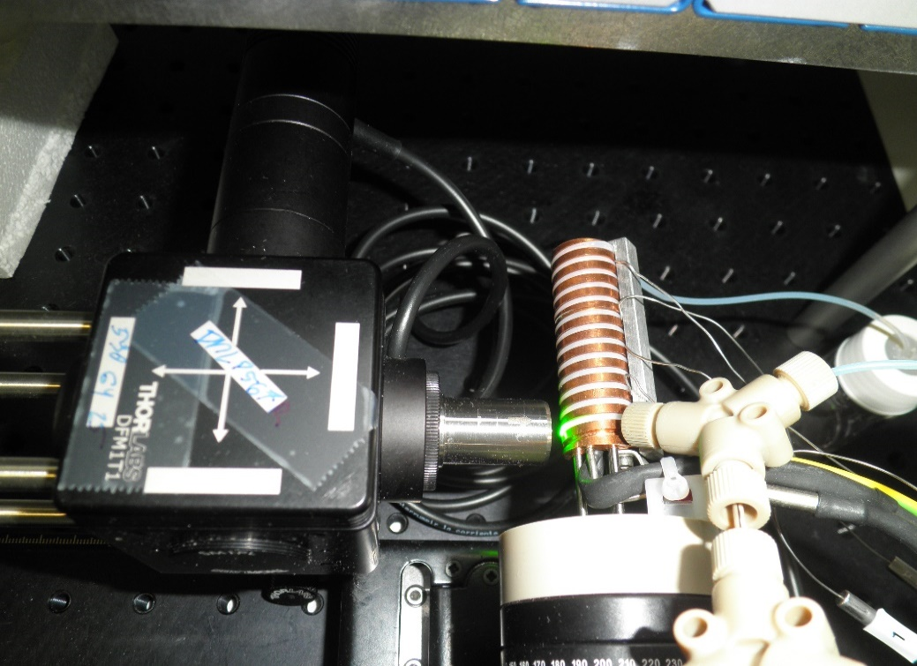

Position | Reaction Time (s)
Loop01 | 19
Loop03 | 53
Loop05 | 87
Loop07 | 119
Loop09 | 152
Loop11 | 183
Loop13 | 214

01b_Input-data_Titration-HCl
pH measured after addition of HCl into working buffer. |  |  |  |  | Concentration of HCl determonide by acid-base titration and using NaOH.

HCl
uL | L | pH | umol of HCl | mmol/L | Concentration of HCl
0 | 0 | 8.60 | 0 | 0 | 0.09876 | mol/L
30 | 0.00003 | 8.10 | 2.9628 | 0.059220467719
Titration of working buffer / calibration curve
80 | 0.00008 | 7.60 | 7.9008 | 0.15776357827
160 | 0.00016 | 7.10 | 15.8016 | 0.31502392344
250 | 0.00025 | 6.60 | 24.69 | 0.49134328358

 |  | Polynomial function
 |  | a | b | c
 |  | 0.083690005557 | -1.519786089 | 6.8792648036

01c_Input-data_Calibration-HCl
 | Calibration pH 6.60 |  |  |  |  |  |  | Calibration pH 7.60 |  |  |  |  |  |  | Calibration pH 8.60
 | Loop01 | Loop03 | Loop05 | Loop07 | Loop09 | Loop11 | Loop13 | Loop01 | Loop03 | Loop05 | Loop07 | Loop09 | Loop11 | Loop13 | Loop01 | Loop03 | Loop05 | Loop07 | Loop09 | Loop11 | Loop13
 | 1304.8 | 2029.75 | 1930.5 | 2299.59 | 2004.28 | 1881.21 | 1985.09 | 890.11 | 1359.92 | 1328.15 | 1433.11 | 1389.79 | 1383.47 | 1496.8 | 486.71 | 777.74 | 781.08 | 912.94 | 799.62 | 773.6 | 820.81
 | 1315.67 | 1976.22 | 1994.88 | 2262.34 | 2017.11 | 1957.67 | 1988.46 | 869.02 | 1384.65 | 1309.39 | 1450.51 | 1385.4 | 1404.88 | 1450.58 | 501.65 | 777.46 | 791.46 | 910.59 | 805.1 | 780.65 | 819.62
 | 1268.45 | 1985.55 | 2010.89 | 2238.43 | 2022.78 | 1902.65 | 1970.28 | 881.21 | 1375.78 | 1325.19 | 1412.72 | 1391.55 | 1405.44 | 1466.26 | 501.18 | 775.33 | 781.39 | 894.69 | 816.4 | 768.02 | 820.29
 | 1313.67 | 1997.14 | 1945.62 | 2235.3 | 2010.56 | 1871.97 | 1981.1 | 875.5 | 1329.31 | 1338.4 | 1419.14 | 1395.6 | 1357.92 | 1432.62 | 393.68 | 771.23 | 794.39 | 902.25 | 817.91 | 773.05 | 821.05
 | 1314.11 | 1970.6 | 2002.39 | 2217.97 | 2017.83 | 1887.5 | 2009.97 | 877.23 | 1364.61 | 1336.96 | 1436.39 | 1406.31 | 1377.24 | 1437.95 | 495.25 | 785.11 | 783.23 | 885.44 | 805.05 | 777.74 | 825.34
 | 1323.06 | 1997.74 | 1989.1 | 2229.59 | 2046.92 | 1869.8 | 2003.6 | 868.7 | 1385.95 | 1312.86 | 1425.22 | 1394.1 | 1380.75 | 1481.04 | 391.31 | 770.99 | 795.69 | 877.95 | 828.66 | 777.65 | 819.75
 | 1322.1 | 1972.08 | 1984.7 | 2238.97 | 2020.28 | 1869.31 | 2012.19 | 849.1 | 1346.21 | 1313.2 | 1422.97 | 1394.11 | 1351.84 | 1477.17 | 502.01 | 777.21 | 778.09 | 886.29 | 812.52 | 775.46 | 808.94
 | 1329.72 | 1990.71 | 1998.94 | 2259.79 | 2011.41 | 1887.22 | 2050.35 | 884.92 | 1328.06 | 1306.95 | 1438.45 | 1390.17 | 1357.17 | 1477.34 | 502.65 | 782.09 | 795.23 | 903.91 | 816.71 | 791.11 | 810.77
 | 1322.09 | 1972.81 | 2007.14 | 2304.7 | 2024.89 | 1888.56 | 2028.51 | 854.1 | 1319.34 | 1326.64 | 1414.03 | 1387.7 | 1352.8 | 1479.67 | 389.93 | 770.9 | 782.45 | 894.41 | 810.83 | 790.26 | 820.21
 | 1321.24 | 2013 | 1940.84 | 2297.55 | 1998.06 | 1912.62 | 2043.1 | 859.55 | 1336.59 | 1326.12 | 1452.15 | 1363.49 | 1356.11 | 1484.95 | 497.65 | 766.86 | 789.12 | 900.46 | 812.17 | 795.51 | 818.71
 | 1325.29 | 1973.65 | 1971.46 | 2340.2 | 1987.99 | 1898.29 | 2018.26 | 871.99 | 1353.83 | 1298.86 | 1440.59 | 1376.16 | 1342.94 | 1496.38 | 498.59 | 780.55 | 793.04 | 898.24 | 796.42 | 787.33 | 818.16
 | 1291.64 | 2011.1 | 1939.75 | 2245.29 | 1982.69 | 1927.86 | 2032.03 | 872.65 | 1350.31 | 1310.75 | 1433.61 | 1385.01 | 1353.35 | 1479.59 | 500.55 | 781.69 | 799.9 | 902.95 | 798.01 | 779.7 | 805.14
 | 1326.83 | 2004.1 | 2001.94 | 2246.39 | 1977.85 | 1919.22 | 2016.44 | 877.26 | 1258.45 | 1231.53 | 1433.08 | 1372.96 | 1354.12 | 1487.09 | 498.26 | 752.92 | 789.29 | 908.12 | 791.75 | 788.15 | 807.16
 | 1314.71 | 1994.49 | 1962.12 | 2268.49 | 1992.62 | 1937.58 | 1991.89 | 884.62 | 1315.31 | 1306.2 | 1450.64 | 1363.19 | 1364.03 | 1471.35 | 396.65 | 767.02 | 788.23 | 896.51 | 792.51 | 795.05 | 810.25 | Position | Reaction Time (s)
 | 1315.79 | 2009.17 | 1949.85 | 2261.01 | 1996.35 | 1951.06 | 1989.44 | 869.56 | 1338.9 | 1283.92 | 1421.17 | 1371.42 | 1382.72 | 1453.59 | 495.94 | 777.77 | 790.84 | 892.35 | 782.83 | 773.06 | 819.14
 | 1306.15 | 2010.99 | 1970.21 | 2256.85 | 1984.39 | 1901.1 | 1998.09 | 871.66 | 1360.36 | 1307.08 | 1406.69 | 1400.74 | 1384.42 | 1469.56 | 501.18 | 773.74 | 787.74 | 898.51 | 794.21 | 776 | 824.75
 | 1320.15 | 2017.66 | 1994.75 | 2229.26 | 2019.06 | 1914.69 | 2001.31 | 859 | 1354.69 | 1262.64 | 1395.01 | 1385.35 | 1363.46 | 1434.31 | 496.29 | 779.48 | 780.79 | 887.79 | 771.5 | 766.7 | 837.77
 | 1307 | 2045.47 | 1988.25 | 2245.66 | 2031.39 | 1867.03 | 2027.45 | 869.7 | 1340.55 | 1302.97 | 1430.06 | 1400.61 | 1382.04 | 1445.65 | 491.8 | 780.15 | 785.8 | 885.6 | 797.24 | 763.56 | 824.95
 | 1321.67 | 1981.71 | 2004.65 | 2227.86 | 2034.84 | 1900.5 | 1978.04 | 874.59 | 1314.36 | 1280.78 | 1429.45 | 1406.66 | 1387.04 | 1442.64 | 490.12 | 775.42 | 786.86 | 886.92 | 808.99 | 771.42 | 817.5
 | 1336.47 | 1996.06 | 2011.47 | 2215.39 | 2053.95 | 1865.28 | 2030.83 | 840.99 | 1359.51 | 1280.86 | 1453.42 | 1397.33 | 1369.26 | 1458.58 | 502.45 | 788.74 | 763.81 | 874.4 | 811.09 | 765.71 | 818.83
 | 1307.6 | 1999.39 |  |  | 2021.09 | 1891.42 | 2003.78 | 839.26 | 1287.85 | 1264.67 | 1461.94 | 1403.78 | 1370.24 | 1468.76 | 497.51 | 765.7 | 778.45 | 890.99 | 803.6 | 785.27 | 807.23
 |  |  |  |  |  |  |  | 863.8 |  | 1280.17 | 1482.19 |  | 1369.59 |  | 503.48
 |  |  |  |  |  |  |  |  |  |  |  |  |  |  | 496.24
 |  |  |  |  |  |  |  |  |  |  |  |  |  |  | 496.04
 |  |  |  |  |  |  |  |  |  |  |  |  |  |  | 493.51

Time Calibration
Average

TASK:
01c.1. Calculate an average for every single Loop and calibration solution

02_Averages
 | Fluorescence Intensity (CPS) - Averages
Time | Cal 6.60 | Cal 7.60 | Cal 8.60 | 0.05 | 0.10 | 0.16 | 0.21 | 0.26 | 0.31 | 0.37 | 0.42 | <= Concentration of the substrate in the Aq. droplets
19 |  |  |  | 482.14 | 498.60 | 531.58 | 523.49 | 533.98 | 554.93 | 557.30 | 563.66
53 |  |  |  | 868.51 | 956.66 | 1066.28 | 1122.21 | 1184.69 | 1273.12 | 1319.24 | 1374.04
87 |  |  |  | 986.20 | 1134.94 | 1284.50 | 1391.88 | 1506.03 | 1610.35 | 1673.53 | 1739.73
119 |  |  |  | 1219.45 | 1424.53 | 1638.93 | 1817.49 | 1981.12 | 2090.93 | 2168.71 | 2280.38
152 |  |  |  | 1111.94 | 1397.54 | 1580.45 | 1781.37 | 1921.61 | 2011.26 | 2105.67 | 2200.49
183 |  |  |  | 1090.47 | 1458.84 | 1657.76 | 1864.68 | 1978.21 | 2062.93 | 2172.83 | 2248.23
214 |  |  |  | 1138.64 | 1635.42 | 1843.19 | 2060.15 | 2187.99 | 2293.12 | 2394.23 | 2473.24
TASK:
02.1. Transpose the calculated averages

03_Calculate-product
FLUORESCENCE | Time [s] | 19 | 53 | 87 | 119 | 152 | 183 | 214 | pH | Time [s] | 19 | 53 | 87 | 119 | 152 | 183 | 214
pH | 0.49 | 0.00 | 0.00 | 0.00 | 0.00 | 0.00 | 0.00 | 0.00 | pH | 0.49 | 0.00 | 0.00 | 0.00 | 0.00 | 0.00 | 0.00 | 0.00
 | 0.16 | 0.00 | 0.00 | 0.00 | 0.00 | 0.00 | 0.00 | 0.00 |  | 0.16 | 0.00 | 0.00 | 0.00 | 0.00 | 0.00 | 0.00 | 0.00
 | 0.00 | 0.00 | 0.00 | 0.00 | 0.00 | 0.00 | 0.00 | 0.00 |  | 0.00 | 0.00 | 0.00 | 0.00 | 0.00 | 0.00 | 0.00 | 0.00

Substrate conc. in aq. plugs |  |  |  |  |  |  |  |  | Substrate conc. in aq. plugs
Flowrate ratio | mM |  |  |  |  |  |  |  | Flowrate ratio | mM
Rxn 14+01 | 0.05 | 0.00 | 0.00 | 0.00 | 0.00 | 0.00 | 0.00 | 0.00 | Rxn 14+01 | 0.05 | 0.22
Rxn 13+02 | 0.10 | 0.00 | 0.00 | 0.00 | 0.00 | 0.00 | 0.00 | 0.00 | Rxn 13+02 | 0.10
Rxn 12+03 | 0.16 | 0.00 | 0.00 | 0.00 | 0.00 | 0.00 | 0.00 | 0.00 | Rxn 12+03 | 0.16
Rxn 11+04 | 0.21 | 0.00 | 0.00 | 0.00 | 0.00 | 0.00 | 0.00 | 0.00 | Rxn 11+04 | 0.21
Rxn 10+05 | 0.26 | 0.00 | 0.00 | 0.00 | 0.00 | 0.00 | 0.00 | 0.00 | Rxn 10+05 | 0.26
Rxn 09+06 | 0.31 | 0.00 | 0.00 | 0.00 | 0.00 | 0.00 | 0.00 | 0.00 | Rxn 09+06 | 0.31
Rxn 08+07 | 0.37 | 0.00 | 0.00 | 0.00 | 0.00 | 0.00 | 0.00 | 0.00 | Rxn 08+07 | 0.37
Rxn 07+08 | 0.42 | 0.00 | 0.00 | 0.00 | 0.00 | 0.00 | 0.00 | 0.00 | Rxn 07+08 | 0.42

TASK:
03.1a. Transpose the averages of calibrations
03.1b. Transpose the averages of products
03.2. Calculate Linregrese of calibration curves
03.3. Calculate Substrate conc. in aq. plugs
03.4. Plot progress curves (product vs. time)
 | Calibration curves
 | Polynomial | a | b | c
 | 19 | 0.00 | 0.00 | 0.22
 | 53
 | 87
 | 119
 | 152
 | 183
 | 214

